D. Covered Bond Report
Annex 2D
Administration

Administration | Item Value
Name of issuer | Clydesdale Bank PLC
Name of RCB programme | Clydesdale Bank PLC (formerly Virgin Money plc) Programme
Name, job title and contact details of person validating this form | Mark Henderson, Senior Manager, mark.henderson@virginmoney.com, 07909 442634
Date of form submission | 19/01/2024
Start Date of reporting period | 01/12/2023
End Date of reporting period | 31/12/2023
Web links – prospectus, transaction documents, loan level data | https://www.virginmoneyukplc.com/investor-relations/debt-investors/global-covered-bonds/

Counterparties, Ratings

 | Counterparty/ies | Fitch |  | Moody's |  | S&P |  | DBRS
 |  | Rating trigger | Current rating | Rating trigger | Current rating | Rating trigger | Current rating | Rating trigger | Current rating
Account bank | HSBC Bank plc | AA- / F1+ | AA- / F1+ | A2 / P-1 | A1 / P-1 | N/A | N/A | N/A | N/A
Administrator | Clydesdale Bank PLC | BBB- | A- / F2 | Baa3(CR) | A1(CR) / P-1(CR) | N/A | N/A | N/A | N/A
Cash manager | Clydesdale Bank PLC | BBB- | A- / F2 | Baa3(CR) | A1(CR) / P-1(CR) | N/A | N/A | N/A | N/A
Covered Bond Swap Provider | HSBC Bank plc | A / F1 | AA- / F1+ | A3(CR) | Aa3(CR) | N/A | N/A | N/A | N/A
Covered Bond Swap Provider | National Australia Bank Limited | A / F1 | A+ / F1 | A3(CR) | Aa2(CR) / P-1(CR) | N/A | N/A | N/A | N/A
Covered Bond Swap Provider | Crédit Agricole Corporate and Investment Bank | A(DCR) / F1 | AA-(DCR) / F1 | A3(CR) | Aa2(CR) / P-1(CR) | N/A | N/A | N/A | N/A
Covered Bond Swap Provider | Banco Santander, S.A. | A(DCR) / F1 | A(DCR) / F2 | A3 | A2 | N/A | N/A | N/A | N/A
Covered bonds | Clydesdale Bank PLC (formerly Virgin Money plc) Programme | N/A | AAA | N/A | Aaa | N/A | N/A | N/A | N/A
Interest Rate Swap Provider | Clydesdale Bank PLC | A / F1 | A- / F2 | A3(CR) | A1(CR) / P-1(CR) | N/A | N/A | N/A | N/A
Issuer | Clydesdale Bank PLC | N/A | A- / F2 | N/A | A1(CR) / P-1(CR) | N/A | N/A | N/A | N/A
Issuer Account Bank | Clydesdale Bank PLC | BBB- | A- / F2 | N/A | A3 / P-2 | N/A | N/A | N/A | N/A
Seller(s) | Clydesdale Bank PLC | N/A | A- / F2 | N/A | A1(CR) / P-1(CR) | N/A | N/A | N/A | N/A
Swap Collateral Account Bank | HSBC Bank plc | A / F1 | AA- / F1+ | A3 | A1 / P-1 | N/A | N/A | N/A | N/A

Swap Details

Swap Details | Value
Fixed Interest Rate Swap
Swap notional amount(s) (GBP) | £7,065,742,666.82
Swap notional maturities | Notional reduces to zero
LLP receive rate/margin (%) | 1.65%
LLP pay rate/margin (%) | 2.28%
Collateral posting amount(s) (GBP) | £451,205,579.49
Tracker Interest Rate Swap
Swap notional amount(s) (GBP) | £163,926,340.77
Swap notional maturities | Notional reduces to zero
LLP receive rate/margin (%) | 1.45%
LLP pay rate/margin (%) | 5.79%
Collateral posting amount(s) (GBP) | £4,685,264.23
SVR Interest Rate Swap
Swap notional amount(s) (GBP) | £252,352,233.97
Swap notional maturities | Notional reduces to zero
LLP receive rate/margin (%) | 2.25%
LLP pay rate/margin (%) | 9.47%
Collateral posting amount(s) (GBP) | £0.00
Series 2012-2 Bond
Swap notional amount(s) (GBP) | £700,000,000.00
Swap notional maturities | 8-Jun-26
LLP receive rate/margin (%) | 4.625%
LLP pay rate/margin (%) | Compounded Daily SONIA + 2.63%
Collateral posting amount(s) (GBP) | £0.00
Series 2 Bond
Swap notional amount(s) (GBP) | £532,800,000.00
Swap notional maturities | 22-Sep-26
LLP receive rate/margin (%) | 0.01%
LLP pay rate/margin (%) | Compounded Daily SONIA + 0.961%
Collateral posting amount(s) (GBP) | £0.00
Series 4 Bond
Swap notional amount(s) (GBP) | £430,300,000.00
Swap notional maturities | 22-Jun-27
LLP receive rate/margin (%) | 2.50%
LLP pay rate/margin (%) | Compounded Daily SONIA + 0.628%
Collateral posting amount(s) (GBP) | £0.00
Series 7 Bond
Swap notional amount(s) (GBP) | £426,184,794.00
Swap notional maturities | 22-Aug-28
LLP receive rate/margin (%) | 3.75%
LLP pay rate/margin (%) | Compounded Daily SONIA + 0.842%
Collateral posting amount(s) (GBP) | £0.00

Accounts, Ledgers

Description | Value as of End Date of reporting period | Value as of Start Date of reporting period | Targeted Value
Principal ledger | £0.00 | £0.00 | £0.00
Principal receipts (please disclose all parts of waterfall) | £124,357,271.00 | £108,586,086.00 | £0.00
Reserve ledger | £79,240,548.92 | £79,180,907.04 | £79,240,548.92
Revenue ledger | £6,900.00 | £6,600.00 | £0.00
Revenue receipts (please disclose all parts of waterfall) | £52,908,810.68 | £67,509,153.06 | £0.00

Description | Current Reporting Period | Previous Reporting Period
Available Revenue Receipts | 0.00 | 0.00
Revenue Receipts received during the calculation period | £45,901,235.30 | £42,353,830.87
Other net income of the LLP (including interest on LLP Accounts, Substitution Assets and Authorised Investments) | £1,963,378.71 | £1,879,826.18
Reserve Fund amounts in excess of the Reserve Fund Required Amount | £0.00 | £942,156.87
Reserve Fund amounts utilised following the Notice to Pay | £0.00 | £0.00
Coupon Payment Ledger amounts in excess of the Required Coupon Amount | £5,412,000.00 | £22,572,000.00
Payments made by the Seller to fund Non-Cash Borrow-Backs | £194,227.05 | £132,446.73
Cash Capital Contributions deemed as Revenue | £0.00 | £0.00
Previously withheld receipts to be paid in the month | £0.00 | £0.00
Removal of Non-LLP Amounts | -£562,030.38 | -£371,107.59
Total | £52,908,810.68 | £67,509,153.06
Revenue Priority of Payments |  | £0.00
Bond Trustee charges | £0.00 | £0.00
Security Trustee charges | £0.00 | £0.00
Agency charges | £0.00 | £0.00
Account Bank charges | £0.00 | £0.00
Corporate Services Provider charges | £0.00 | £0.00
Third Party charges | £0.00 | £0.00
Administrator charges | £508,432.59 | £499,156.47
Cash Manager charges | £500.00 | £500.00
VM Account Bank charges | £0.00 | £0.00
Asset Monitor charges | £0.00 | £0.00
Amounts paid to the Initial Interest Rate Swap Provider | £0.00 | £0.00
Amounts paid to the Covered Bond Swap Providers | £11,741,777.60 | £11,377,687.99
Amounts paid (other than in respect of principal) on any Term Advance to the Issuer | £8,226,000.00 | £33,906,000.00
Credit to the Accumulation Ledger | £11,611,000.00 | £2,712,000.00
Credit to the Transaction Account following an Administrator Event of Default | £0.00 | £0.00
Credit to the Reserve Ledger | £59,641.88 | £0.00
Excluded Swap Termination Amounts | £0.00 | £0.00
Indemnity amounts paid to Asset Monitor and Members | £0.00 | £0.00
Repayment to VM of any Cash Capital Contributions deemed as revenue or otherwise made to the Coupon Payment Ledger | £0.00 | £0.00
VM Deferred Consideration | £20,761,158.61 | £19,013,508.60
Liquidation Member fee | £0.00 | £0.00
Profit paid to Members | £300.00 | £300.00
Total | £52,908,810.68 | £67,509,153.06
Available Principal Receipts | £0.00 | £0.00
Principal Receipts received during the Calculation Period | £117,222,983.00 | £103,695,455.00
Other amounts received during the calculation period (including proceeds from the sale of Selected Mortgage Loans) | £7,134,288.00 | £4,890,631.00
Cash Capital Contributions | £0.00 | £0.00
Excess Proceeds | £0.00 | £0.00
Previously withheld receipts to be paid in the month | £0.00 | £0.00
Total | £124,357,271.00 | £108,586,086.00
Principal Priority of Payments | £0.00 | £0.00
Acquisition of New Loans and their Related Security and Substitution Assets | £0.00 | £0.00
Credit to the LLP Accounts to ensure compliance with the Asset Coverage Test | £0.00 | £0.00
Amounts paid to the Covered Bond Swap Provider (in respect of principal) on any Term Advance to the Issuer | £0.00 | £0.00
Retained Principal Collections | £0.00 | £0.00
Capital Distribution to VM | £124,357,271.00 | £108,586,086.00
Total | £124,357,271.00 | £108,586,086.00

Asset Coverage Test | Value | Description
A | £9,162,745,175 | Adjusted current balance
B | £124,357,271 | Principal collections not yet applied
C | £0 | Qualifying additional collateral
D | £0 | Substitute assets
E | £0 | Proceeds of sold mortgage loans
W | £145,079,319 | VM Bank Account Balance
X | £990,710 | Flexible draw capacity
Y | £59,442,288 | Set-off
Z | £74,418,204 | Negative carry
Total | £9,007,171,925
Method used for calculating component 'A' | A(ii)
Asset percentage (%) | 92.50%
Maximum asset percentage from Fitch (%) | 96.00%
Maximum asset percentage from Moody's (%) | 94.50%
Maximum asset percentage from S&P (%) | N/A
Maximum asset percentage from DBRS (%) | N/A
Credit Support as derived from ACT (GBP) | £3,967,887,130
Credit Support as derived from ACT (%) | 78.74%

Programme-Level Characteristics

Programme-Level Characteristics
Programme currency | EUR
Programme size | € 10,000,000,000.00
Covered bonds principal amount outstanding (GBP, non-GBP series converted at swap FX rate) | £5,039,284,794.00
Covered bonds principal amount outstanding (GBP, non-GBP series converted at current spot rate) | £5,036,480,000.00
Cover pool balance (GBP) | £9,907,047,934.00
GIC account balance (GBP) | £225,544,547.27
GIC Account Balance (GBP) – Issuer GIC | £145,079,319.10
GIC Account Balance (GBP) – External GIC 1 | £80,465,228.17
Any additional collateral – Securities Collateral (GBP) | £454,154,843.72
Any additional collateral - Cash Collateral (GBP) | £1,736,000.00
Any additional collateral - Securities Collateral (EUR) | € 0.00
Any additional collateral - Cash Collateral (EUR) | € 0.00
Any additional collateral - Securities Collateral (USD) | $0.00
Any additional collateral - Cash Collateral (USD) | $0.00
Aggregate deposits attaching to the cover pool (GBP) | £59,442,288.00
Aggregate balance of off-set mortgages (GBP) | £0.00
Aggregate deposits attaching specifically to the off-set mortgages (GBP) | £0.00
Nominal level of overcollateralisation (GBP) | £4,867,763,140.00
Nominal level of overcollateralisation (%) | 96.60%
Number of loans in cover pool | 55,767
Average loan balance (GBP) | £177,650.72
Weighted average non-indexed LTV (%) | 58.02%
Weighted average indexed LTV (%) | 50.88%
Weighted average seasoning (months) | 53.68
Weighted average remaining term (months) | 240.80
Weighted average interest rate (%) | 2.71%
Standard Variable Rate(s) (%) | 9.49% (Residential) 9.69% (Buy to Let)
Constant Pre-Payment Rate (% current month) | 15.32%
Constant Pre-Payment Rate (% quarterly average) | 14.03%
Principal Payment Rate (% current month) | 18.22%
Principal Payment Rate (% quarterly average) | 16.97%
Constant Default Rate (% current month) | 0.00%
Constant Default Rate (% quarterly average) | 0.00%
Fitch PCU Uplift | 6
Moody’s Timely Payment Indicator | Probable
Moody’s Collateral Score (%) | 4.00%

Mortgage Collections

Mortgage Collections (scheduled – interest) | £18,826,095.39
Mortgage Collections (scheduled – principal) | £21,381,286.00
Mortgage Collections (unscheduled – interest) | £0.00
Mortgage Collections (unscheduled – principal) | £102,975,985.00

Loan Redemptions & Replenishments Since Previous Reporting Date

 | Number | % of total number | Amount (GBP) | % of total amount
Loan redemptions since previous reporting date | 544 | 92.83% | £84,850,980.90 | 92.24%
Loans bought back by seller(s) | 42 | 7.17% | £7,138,854.91 | 7.76%
of which are non-performing loans | 8 | 1.37% | £761,839.38 | 0.83%
of which have breached R&Ws | 0 | 0.00% | £0.00 | 0.00%
of which have been subject to a product switch | 0 | 0.00% | £0.00 | 0.00%
of which have received a further advance | 27 | 4.61% | £5,329,663.64 | 5.79%
of which are for other reasons | 7 | 1.19% | £1,047,351.89 | 1.14%
Loans sold into the cover pool | 12,538 |  | £2,547,813,811.31

Product Rate Type and Reversionary Profiles

 | Number | % of total number | Amount (GBP) | % of total amount | % Current rate | Remaining teaser period (months) | % Current margin | % Reversionary margin | % Initial rate
Fixed at origination, reverting to SVR | 52,915 | 94.89% | £9,486,746,799 | 95.76% | 2.50% | 23.59 | 0.00% | 0.00% | 2.50%
Fixed at origination, reverting to LIBOR | 0 | 0.00% | £0 | 0.00% | 0.00% | 0.00 | 0.00% | 0.00% | 0.00%
Fixed at origination, reverting to tracker | 0 | 0.00% | £0 | 0.00% | 0.00% | 0.00 | 0.00% | 0.00% | 0.00%
Fixed for life | 0 | 0.00% | £0 | 0.00% | 0.00% | 0.00 | 0.00% | 0.00% | 0.00%
Tracker at origination, reverting to SVR | 1,215 | 2.18% | £259,200,581 | 2.62% | 5.81% | 19.68 | 0.56% | 0.00% | 5.81%
Tracker at origination, reverting to LIBOR | 0 | 0.00% | £0 | 0.00% | 0.00% | 0.00 | 0.00% | 0.00% | 0.00%
Tracker for life | 0 | 0.00% | £0 | 0.00% | 0.00% | 0.00 | 0.00% | 0.00% | 0.00%
SVR, including discount to SVR | 1,637 | 2.94% | £161,100,554 | 1.63% | 9.47% | 0.00 | -0.04% | 0.00% | 9.47%
LIBOR | 0 | 0.00% | £0 | 0.00% | 0.00% | 0.00 | 0.00% | 0.00% | 0.00%
Total | 55,767 | 100.00% | £9,907,047,934 | 100.00% | 2.71% |  | 0.01% | 0.00% | 2.71%
Stratifications

Arrears breakdown | Number | % of total number | Amount (GBP) | % of total amount
Current | 55,556 | 99.62% | £9,871,826,958 | 99.64%
0-1 months in arrears | 47 | 0.08% | £7,025,738 | 0.07%
1-2 months in arrears | 128 | 0.23% | £21,949,098 | 0.22%
2-3 months in arrears | 17 | 0.03% | £2,952,895 | 0.03%
3-6 months in arrears | 19 | 0.03% | £3,293,245 | 0.03%
6-12 months in arrears | 0 | 0.00% | £0 | 0.00%
12+ months in arrears | 0 | 0.00% | £0 | 0.00%
Total | 55,767 | 100.00% | £9,907,047,934 | 100.00%

Current non-indexed LTV | Number | % of total number | Amount (GBP) | % of total amount |  | 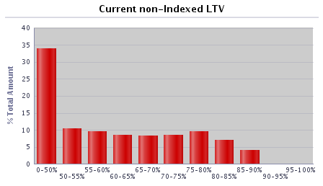 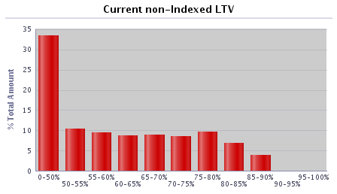
0-50% | 23,440 | 42.03% | £3,300,235,223 | 33.31%
50-55% | 5,085 | 9.12% | £1,031,303,118 | 10.41%
55-60% | 4,185 | 7.50% | £943,055,079 | 9.52%
60-65% | 3,793 | 6.80% | £872,466,884 | 8.81%
65-70% | 3,904 | 7.00% | £875,969,362 | 8.84%
70-75% | 4,283 | 7.68% | £842,184,196 | 8.50%
75-80% | 5,140 | 9.22% | £963,511,166 | 9.73%
80-85% | 3,811 | 6.83% | £687,454,115 | 6.94%
85-90% | 2,076 | 3.72% | £381,065,352 | 3.85%
90-95% | 49 | 0.09% | £9,744,836 | 0.10%
95-100% | 1 | 0.00% | £58,605 | 0.00%
100-105% | 0 | 0.00% | £0 | 0.00%
105-110% | 0 | 0.00% | £0 | 0.00%
110-125% | 0 | 0.00% | £0 | 0.00%
125%+ | 0 | 0.00% | £0 | 0.00%
Total | 55,767 | 100.00% | £9,907,047,934 | 100.00%

Current indexed LTV | Number | % of total number | Amount (GBP) | % of total amount |  | 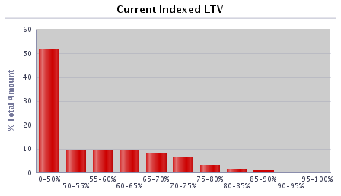 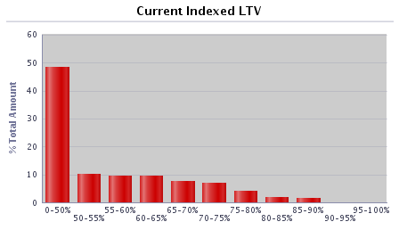
0-50% | 31,608 | 56.68% | £4,786,859,919 | 48.32%
50-55% | 4,644 | 8.33% | £997,213,555 | 10.07%
55-60% | 4,333 | 7.77% | £937,627,658 | 9.46%
60-65% | 4,540 | 8.14% | £933,752,165 | 9.43%
65-70% | 3,838 | 6.88% | £772,957,611 | 7.80%
70-75% | 3,364 | 6.03% | £690,580,379 | 6.97%
75-80% | 1,841 | 3.30% | £412,235,303 | 4.16%
80-85% | 895 | 1.60% | £204,501,804 | 2.06%
85-90% | 643 | 1.15% | £153,920,250 | 1.55%
90-95% | 58 | 0.10% | £16,475,026 | 0.17%
95-100% | 3 | 0.01% | £924,264 | 0.01%
100-105% | 0 | 0.00% | £0 | 0.00%
105-110% | 0 | 0.00% | £0 | 0.00%
110-125% | 0 | 0.00% | £0 | 0.00%
125%+ | 0 | 0.00% | £0 | 0.00%
Total | 55,767 | 100.00% | £9,907,047,934 | 100.00%

Current outstanding balance of loan | Number | % of total number | Amount (GBP) | % of total amount |  | 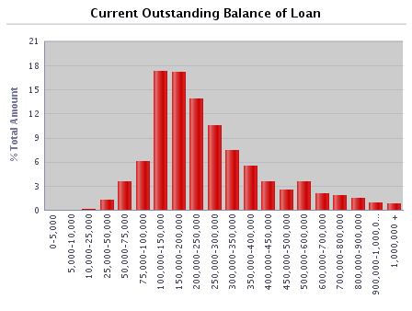 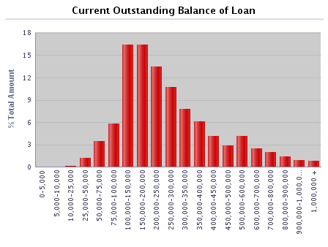
0-5,000 | 158 | 0.28% | £311,470 | 0.00%
5,000-10,000 | 180 | 0.32% | £1,383,939 | 0.01%
10,000-25,000 | 907 | 1.63% | £16,679,231 | 0.17%
25,000-50,000 | 3,093 | 5.55% | £121,306,925 | 1.22%
50,000-75,000 | 5,371 | 9.63% | £339,835,544 | 3.43%
75,000-100,000 | 6,516 | 11.68% | £572,256,924 | 5.78%
100,000-150,000 | 13,045 | 23.39% | £1,620,738,683 | 16.36%
150,000-200,000 | 9,380 | 16.82% | £1,626,503,604 | 16.42%
200,000-250,000 | 5,946 | 10.66% | £1,329,670,863 | 13.42%
250,000-300,000 | 3,880 | 6.96% | £1,058,041,134 | 10.68%
300,000-350,000 | 2,375 | 4.26% | £767,744,524 | 7.75%
350,000-400,000 | 1,618 | 2.90% | £603,701,953 | 6.09%
400,000-450,000 | 965 | 1.73% | £407,483,019 | 4.11%
450,000-500,000 | 609 | 1.09% | £287,979,830 | 2.91%
500,000-600,000 | 751 | 1.35% | £407,049,229 | 4.11%
600,000-700,000 | 374 | 0.67% | £240,528,458 | 2.43%
700,000-800,000 | 265 | 0.48% | £196,832,238 | 1.99%
800,000-900,000 | 168 | 0.30% | £141,771,142 | 1.43%
900,000-1,000,000 | 96 | 0.17% | £90,764,650 | 0.92%
1,000,000 + | 70 | 0.13% | £76,464,573 | 0.77%
Total | 55,767 | 100.00% | £9,907,047,934 | 100.00%

Regional distribution | Number | % of total number | Amount (GBP) | % of total amount |  | 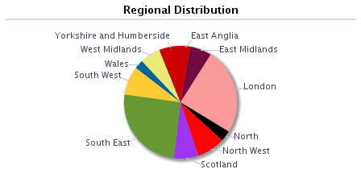 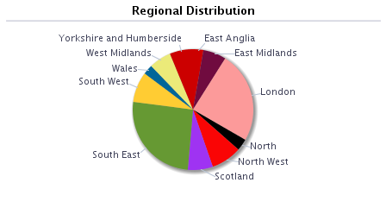
East Anglia | 1,590 | 2.85% | £275,216,050 | 2.78%
East Midlands | 4,132 | 7.41% | £612,698,802 | 6.18%
London | 8,678 | 15.56% | £2,414,311,719 | 24.37%
North | 2,816 | 5.05% | £311,891,845 | 3.15%
North West | 5,828 | 10.45% | £812,882,882 | 8.21%
Outer Metro | 0 | 0.00% | £0 | 0.00%
South East | 11,289 | 20.24% | £2,543,314,603 | 25.67%
South West | 4,533 | 8.13% | £807,256,349 | 8.15%
Scotland | 6,214 | 11.14% | £663,818,025 | 6.70%
Wales | 1,977 | 3.55% | £258,675,226 | 2.61%
West Midlands | 3,895 | 6.98% | £588,506,088 | 5.94%
Yorkshire and Humberside | 4,815 | 8.63% | £618,476,346 | 6.24%
Other | 0 | 0.00% | £0 | 0.00%
Total | 55,767 | 100.00% | £9,907,047,934 | 100.00%

Repayment Type | Number | % of total number | Amount (GBP) | % of total amount
Capital repayment | 46,979 | 84.24% | £7,731,169,194 | 78.04%
Part-and-part | 579 | 1.04% | £171,808,855 | 1.73%
Interest-only | 8,209 | 14.72% | £2,004,069,886 | 20.23%
Offset | 0 | 0.00% | £0 | 0.00%
Total | 55,767 | 100.00% | £9,907,047,934 | 100.00%

Seasoning | Number | % of total number | Amount (GBP) | % of total amount |  | 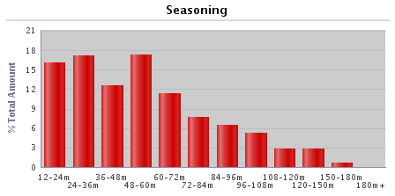 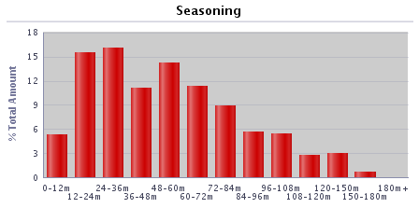
0-12 months | 2,430 | 4.36% | £524,873,324 | 5.30%
12-24 months | 6,228 | 11.17% | £1,535,034,324 | 15.49%
24-36 months | 6,995 | 12.54% | £1,587,426,050 | 16.02%
36-48 months | 6,044 | 10.84% | £1,095,871,954 | 11.06%
48-60 months | 8,690 | 15.58% | £1,411,952,069 | 14.25%
60-72 months | 6,999 | 12.55% | £1,120,999,145 | 11.32%
72-84 months | 5,528 | 9.91% | £877,420,955 | 8.86%
84-96 months | 3,725 | 6.68% | £564,521,323 | 5.70%
96-108 months | 3,603 | 6.46% | £533,727,878 | 5.39%
108-120 months | 2,316 | 4.15% | £279,514,742 | 2.82%
120-150 months | 2,337 | 4.19% | £298,797,643 | 3.02%
150-180 months | 728 | 1.31% | £71,789,574 | 0.72%
180+ months | 144 | 0.26% | £5,118,953 | 0.05%
Total | 55,767 | 100.00% | £9,907,047,934 | 100.00%

Interest payment type | Number | % of total number | Amount (GBP) | % of total amount
Fixed | 52,915 | 94.89% | £9,486,746,799 | 95.76%
SVR | 1,637 | 2.94% | £161,100,554 | 1.63%
Tracker | 1,215 | 2.18% | £259,200,581 | 2.62%
Other (please specify) | 0 | 0.00% | £0 | 0.00%
Total | 55,767 | 100.00% | £9,907,047,934 | 100.00%

Loan purpose type | Number | % of total number | Amount (GBP) | % of total amount
Owner-occupied | 49,796 | 89.29% | £9,007,684,064 | 90.92%
Buy-to-let | 5,971 | 10.71% | £899,363,870 | 9.08%
Second home | 0 | 0.00% | £0 | 0.00%
Total | 55,767 | 100.00% | £9,907,047,934 | 100.00%

Income verification type | Number | % of total number | Amount (GBP) | % of total amount
Fully verified | 55,767 | 100.00% | £9,907,047,934 | 100.00%
Fast-track | 0 | 0.00% | £0 | 0.00%
Self-certified | 0 | 0.00% | £0 | 0.00%
Total | 55,767 | 100.00% | £9,907,047,934 | 100.00%

Remaining term of loan | Number | % of total number | Amount (GBP) | % of total amount
0-30 months | 622 | 1.12% | £49,581,421 | 0.50%
30-60 months | 1,695 | 3.04% | £170,795,233 | 1.72%
60-120 months | 6,504 | 11.66% | £817,732,038 | 8.25%
120-180 months | 9,999 | 17.93% | £1,541,340,559 | 15.56%
180-240 months | 12,604 | 22.60% | £2,242,342,928 | 22.63%
240-300 months | 11,560 | 20.73% | £2,320,112,072 | 23.42%
300-360 months | 8,261 | 14.81% | £1,752,167,726 | 17.69%
360+ months | 4,522 | 8.11% | £1,012,975,958 | 10.22%
Total | 55,767 | 100.00% | £9,907,047,934 | 100.00%

Employment status | Number | % of total number | Amount (GBP) | % of total amount
Employed | 44,346 | 79.52% | £7,350,717,291 | 74.20%
Self-employed | 9,686 | 17.37% | £2,323,618,147 | 23.45%
Unemployed | 357 | 0.64% | £57,537,006 | 0.58%
Retired | 634 | 1.14% | £76,132,974 | 0.77%
Guarantor | 0 | 0.00% | £0 | 0.00%
Other | 744 | 1.33% | £99,042,516 | 1.00%
Total | 55,767 | 100.00% | £9,907,047,934 | 100.00%

Covered Bonds Outstanding, Associated Derivatives

Bond Description | Series 2012-2 | Series 1 | Series 2 | Series 3 | Series 4 | Series 5 | Series 6 | Series 7 | Series 8
Issue date | 8-Jun-12 | 28-Mar-19 | 24-Sep-19 | 15-Feb-22 | 28-Jun-22 | 7-Sep-22 | 30-Jun-23 | 30-Aug-23 | 26-Sep-23
Original rating (Moody’s, S&P, Fitch, DBRS) | Aaa/AAA | Aaa/AAA | Aaa/AAA | Aaa/AAA | Aaa/AAA | Aaa/AAA | Aaa/AAA | Aaa/AAA | Aaa/AAA
Current rating (Moody’s, S&P, Fitch, DBRS) | Aaa/AAA | Aaa/AAA | Aaa/AAA | Aaa/AAA | Aaa/AAA | Aaa/AAA | Aaa/AAA | Aaa/AAA | Aaa/AAA
Denomination | GBP | GBP | EUR | GBP | EUR | GBP | GBP | EUR | GBP
Amount at issuance | £700,000,000 | £600,000,000 | € 600,000,000 | £600,000,000 | € 500,000,000 | £750,000,000 | £500,000,000 | € 500,000,000 | £500,000,000
Amount outstanding | £700,000,000 | £600,000,000 | € 600,000,000 | £600,000,000 | € 500,000,000 | £750,000,000 | £500,000,000 | € 500,000,000 | £500,000,000
FX swap rate (rate:£1) | 1.00 | 1.00 | 1.13 | 1.00 | 1.16 | 1.00 | 1.00 | 1.17 | 1.00
Maturity Type (hard, soft-bullet, pass-through) | soft-bullet | soft-bullet | soft-bullet | soft-bullet | soft-bullet | soft-bullet | soft-bullet | soft-bullet | soft-bullet
Scheduled final maturity date | 8-Jun-26 | 22-Mar-24 | 22-Sep-26 | 22-Jan-27 | 22-Jun-27 | 22-Mar-26 | 22-Jun-28 | 22-Aug-28 | 22-Sep-28
Legal final maturity date | 8-Jun-27 | 22-Mar-25 | 22-Sep-27 | 22-Jan-28 | 22-Jun-28 | 22-Mar-27 | 22-Jun-29 | 22-Aug-29 | 22-Sep-29
ISIN | XS0789991527 | XS1968589116 | XS2049803575 | XS2443513440 | XS2493830827 | XS2527432277 | XS2643790590 | XS2641928382 | XS2692456200
Stock Exchange Listing | London | London | London | London | London | London | London | London | London
Coupon payment frequency | Annual | Quarterly | Annual | Quarterly | Annual | Quarterly | Quarterly | Annual | Quarterly
Coupon payment date | 10-Jun-24 | 22-Mar-24 | 23-Sep-24 | 22-Jan-24 | 24-Jun-24 | 22-Mar-24 | 22-Aug-24 | 22-Mar-24 | 22-Mar-24
Coupon (rate if fixed, margin and reference rate if floating) | 4.625% | Compounded Daily SONIA + 0.70% | 0.01% | Compounded Daily SONIA + 0.28% | 2.50% | Compounded Daily SONIA + 0.62% | Compounded Daily SONIA + 0.55% | 3.75% | Compounded Daily SONIA + 0.60%
Margin payable under extended maturity period (%) | Compounded Daily SONIA + 1.6692% |  | 1M Euribor + 0.30% |  | 1M Euribor +0.24% |  |  | 1M Euribor +0.50%
Swap Counterparties | National Australia Bank Ltd |  | HSBC Bank plc |  | Crédit Agricole Corporate and Investment Bank |  |  | Banco Santander, S.A.
Swap notional denomination | GBP |  | GBP |  | GBP |  |  | GBP
Swap notional amount | £700,000,000 |  | £532,800,000 |  | £430,300,000 |  |  | £426,184,794
Swap notional maturity | 8-Jun-26 |  | 22-Sep-26 |  | 22-Jun-27 |  |  | 22-Aug-28
LLP receive rate/margin | 4.625% |  | 0.01% |  | 2.50% |  |  | 3.75%
LLP pay rate/margin | Compounded Daily SONIA + 2.63% |  | Compounded Daily SONIA + 0.961% |  | Compounded Daily SONIA + 0.628% |  |  | Compounded Daily SONIA + 0.842%

Programme Triggers

Event (please list all triggers) | Summary of Events | Trigger (S&P, Moody's, Fitch, DBRS, short-term, long-term) | Trigger breached (Yes/No) | Consequence of a trigger breach
VM/Issuer | Issuer Event of Default | Issuer Event of Default | No | Notice to pay is served on the LLP
VM/Seller | Default of Seller | N/A | No | Legal title transferred to the LLP
Account Bank (Trigger 1) | Account Bank falls below trigger | P-1/A2 (Moody's), F1+ or AA- (Fitch) | No | Replace/find guarantor or move to remedial ratings
Account Bank (Trigger 2) | Account Bank falls below trigger | A3 (Moody's), F1 or A (Fitch) | No | Replace/find guarantor
VM Account Bank (Trigger 1) | VM Account Bank falls below trigger | A3 (Moody's), F1 or A (Fitch) | Yes | VM Permitted Amount applies
VM Account Bank (Trigger 2) | VM Account Bank falls below trigger | BBB- (Fitch) | No | Transfer funds to suitably rated Account Bank
Swap collateral Account Bank | Swap Collateral Account Bank falls below trigger | A3 (Moody's), F1 or A (Fitch) | No | Replace/find guarantor or move to remedial ratings
Administrator | Administrator falls below trigger | Baa3(CR) (Moody's), BBB- (Fitch) | No | Appoint Back-up Administrator
Cash manager | Cash Manager falls below trigger | Baa3(CR) (Moody's), BBB- (Fitch) | No | Appoint Back-up Cash Manager
Cash Manager Relevant Event | Cash Manager falls below trigger | Baa1 (Moody's) | No | Seller to make Cash Capital Contribution to pre-fund coupon payments
Interest Rate Swap Provider (Fixed/Tracker) Trigger 1 | Interest Rate Swap Provider (Fixed/Tracker) falls below trigger | A3(CR) (Moody's), F1 or A (Fitch) | Yes | Collateral posted, or guarantor/replacement to be found
Interest Rate Swap Provider (SVR) Trigger 1 | Interest Rate Swap Provider (SVR) falls below trigger | Baa3(CR) (Moody's), BBB- (Fitch) | No | Collateral posted, or guarantor/replacement to be found
Interest Rate Swap Provider (Fixed/Tracker) Trigger 2 | Interest Rate Swap Provider falls below trigger | Baa1(CR) (Moody's), F3 or BBB- (Fitch) | No | Guarantor/replacement to be found
Interest Rate Swap Provider (SVR) Trigger 2 | Interest Rate Swap Provider falls below trigger | Ba3(CR) (Moody's), BB- (Fitch) | No | Guarantor/replacement to be found or reduce swap notional to zero
LLP Event of Default (post VM Event of Default) | LLP Event of Default | LLP Event of Default | No | Covered Bonds become immediately due and payable
Covered Bond Swap Provider (Trigger 1) | Covered Bond Swap Provider falls below trigger | A3(CR) (Moody's), F1 or A (Fitch) | No | Counterparty to take certain remedial action including collateral
Covered Bond Swap Provider (Trigger 2) | Covered Bond Swap Provider falls below trigger | Baa1(CR) (Moody's), F3 or BBB- (Fitch) | No | Guarantor/replacement to be found
ACT Set-off | Issuer falls below trigger | P1 or A2 (Moody's), F1 or A (Fitch) | Yes | Calculate ACT including set-off risk
Reserve Fund | Issuer falls below trigger | P-1 (Moody's), F1+ (Fitch) | Yes | Fund Reserve Fund to required amount
ACT Test Frequency | Issuer/Cash Manager falls below trigger | Baa3(CR) (Moody's), BBB- (Fitch) | No | Asset Monitor check arithmetic accuracy of ACT monthly

