D. Covered bond report
Annex 2D
Administration

Administration | Item Value
Name of issuer | Clydesdale Bank PLC
Name of RCB programme | Clydesdale Bank PLC (formerly Virgin Money plc) Programme
Name, job title and contact details of person validating this form | Mark Henderson, New Funding Manager, mark.henderson@virginmoney.com, 07909 442634
Date of form submission | 2022-07-20
Start Date of reporting period | 01/06/2022
End Date of reporting period | 30/06/2022
Web links – prospectus, transaction documents, loan level data | https://www.virginmoneyukplc.com/investor-relations/debt-investors/global-covered-bonds/

Counterparties, Ratings

 | Counterparty/ies | Fitch |  | Moody's |  | S&P |  | DBRS
 |  | Rating trigger | Current rating | Rating trigger | Current rating | Rating trigger | Current rating | Rating trigger | Current rating
Account bank | HSBC Bank plc | AA- / F1+ | AA- / F1+ | A2 / P-1 | A1 / P-1 | N/A | N/A | N/A | N/A
Administrator | Clydesdale Bank PLC | BBB- | A- / F2 | Baa3(CR) | A1(CR) / P-1(CR) | N/A | N/A | N/A | N/A
Cash manager | Clydesdale Bank PLC | BBB- | A- / F2 | Baa3(CR) | A1(CR) / P-1(CR) | N/A | N/A | N/A | N/A
Covered Bond Swap Provider | HSBC Bank plc | A / F1 | AA- / F1+ | A3(CR) | Aa3(CR) | N/A | N/A | N/A | N/A
Covered Bond Swap Provider | National Australia Bank Limited | A / F1 | A+ / F1 | A3(CR) | Aa2(CR) / P-1(CR) | N/A | N/A | N/A | N/A
Covered Bond Swap Provider | Crédit Agricole Corporate and Investment Bank | A(DCR) / F1 | AA-(DCR) / F1 | A3(CR) | Aa2(CR) / P-1(CR) | N/A | N/A | N/A | N/A
Covered bonds | Clydesdale Bank PLC (formerly Virgin Money plc) Programme | N/A | AAA | N/A | Aaa | N/A | N/A | N/A | N/A
Interest Rate Swap Provider | Clydesdale Bank PLC | A / F1 | A- / F2 | A3(CR) | A1(CR) / P-1(CR) | N/A | N/A | N/A | N/A
Issuer | Clydesdale Bank PLC | N/A | A- / F2 | N/A | A1(CR) / P-1(CR) | N/A | N/A | N/A | N/A
Issuer Account Bank | Clydesdale Bank PLC | BBB- | A- / F2 | N/A | A3 / P-2 | N/A | N/A | N/A | N/A
Seller(s) | Clydesdale Bank PLC | N/A | A- / F2 | N/A | A1(CR) / P-1(CR) | N/A | N/A | N/A | N/A
Swap Collateral Account Bank | HSBC Bank plc | A / F1 | AA- / F1+ | A3 | A1 / P-1 | N/A | N/A | N/A | N/A

Swap Details

Swap Details | Value
Fixed Interest Rate Swap
Swap notional amount(s) (GBP) | £7,359,373,407.64
Swap notional maturities | Notional reduces to zero
LLP receive rate/margin (%) | 1.65%
LLP pay rate/margin (%) | 1.92%
Collateral posting amount(s) (GBP) | £469,772,446.24
Tracker Interest Rate Swap
Swap notional amount(s) (GBP) | £52,579,558.66
Swap notional maturities | Notional reduces to zero
LLP receive rate/margin (%) | 1.45%
LLP pay rate/margin (%) | 2.40%
Collateral posting amount(s) (GBP) | £200,959.22
SVR Interest Rate Swap
Swap notional amount(s) (GBP) | £166,646,687.57
Swap notional maturities | Notional reduces to zero
LLP receive rate/margin (%) | 2.25%
LLP pay rate/margin (%) | 5.04%
Collateral posting amount(s) (GBP) | £0.00
Series 2012-2 Bond
Swap notional amount(s) (GBP) | £700,000,000.00
Swap notional maturities | 8-Jun-26
LLP receive rate/margin (%) | 4.625%
LLP pay rate/margin (%) | Compounded Daily SONIA + 2.63%
Collateral posting amount(s) (GBP) | £0.00
Series 2 Bond
Swap notional amount(s) (GBP) | £532,800,000.00
Swap notional maturities | 22-Sep-26
LLP receive rate/margin (%) | 0.01%
LLP pay rate/margin (%) | Compounded Daily SONIA + 0.961%
Collateral posting amount(s) (GBP) | £0.00
Series 4 Bond
Swap notional amount(s) (GBP) | £430,300,000.00
Swap notional maturities | 22-Jun-27
LLP receive rate/margin (%) | 2.50%
LLP pay rate/margin (%) | Compounded Daily SONIA + 0.628%
Collateral posting amount(s) (GBP) | £0.00

Accounts, Ledgers

Description | Value as of End Date of reporting period | Value as of Start Date of reporting period | Targeted Value
Principal ledger | £0.00 | £0.00 | £0.00
Principal receipts (please disclose all parts of waterfall) | £194,528,112.00 | £165,192,347.00 | £0.00
Reserve ledger | £19,178,214.71 | £15,378,365.89 | £19,178,214.71
Revenue ledger | £1,500.00 | £1,200.00 | £0.00
Revenue receipts (please disclose all parts of waterfall) | £19,207,911.87 | £17,675,462.19 | £0.00

Description | Current Reporting Period | Previous Reporting Period
Available Revenue Receipts | 0.00 | 0.00
Revenue Receipts received during the calculation period | £17,716,289.24 | £15,986,683.40
Other net income of the LLP (including interest on LLP Accounts, Substitution Assets and Authorised Investments) | £983,464.43 | £1,096,568.68
Reserve Fund amounts in excess of the Reserve Fund Required Amount | £0.00 | £0.00
Reserve Fund amounts utilised following the Notice to Pay | £0.00 | £0.00
Coupon Payment Ledger amounts in excess of the Required Coupon Amount | £1,140,000.00 | £1,452,000.00
Payments made by the Seller to fund Non-Cash Borrow-Backs | £47,486.68 | £37,140.43
Cash Capital Contributions deemed as Revenue | £0.00 | £0.00
Previously withheld receipts to be paid in the month | £0.00 | £0.00
Removal of Non-LLP Amounts | -£679,328.48 | -£896,930.32
Total | £19,207,911.87 | £17,675,462.19
Revenue Priority of Payments | £0.00 | £0.00
Bond Trustee charges | £0.00 | £0.00
Security Trustee charges | £0.00 | £0.00
Agency charges | £0.00 | £0.00
Account Bank charges | £0.00 | £0.00
Corporate Services Provider charges | £0.00 | £0.00
Third Party charges | £0.00 | £0.00
Administrator charges | £498,302.09 | £526,137.36
Cash Manager charges | £500.00 | £500.00
VM Account Bank charges | £0.00 | £0.00
Asset Monitor charges | £0.00 | £0.00
Amounts paid to the Initial Interest Rate Swap Provider | £0.00 | £0.00
Amounts paid to the Covered Bond Swap Providers | £3,646,005.25 | £2,886,066.57
Amounts paid (other than in respect of principal) on any Term Advance to the Issuer | £1,866,000.00 | £2,262,000.00
Credit to the Accumulation Ledger | £930,000.00 | £600,000.00
Credit to the Transaction Account following an Administrator Event of Default | £0.00 | £0.00
Credit to the Reserve Ledger | £3,799,848.83 | £134,071.33
Excluded Swap Termination Amounts | £0.00 | £0.00
Indemnity amounts paid to Asset Monitor and Members | £0.00 | £0.00
Repayment to VM of any Cash Capital Contributions deemed as revenue or otherwise made to the Coupon Payment Ledger | £0.00 | £0.00
VM Deferred Consideration | £8,466,955.70 | £11,266,386.93
Liquidation Member fee | £0.00 | £0.00
Profit paid to Members | £300.00 | £300.00
Total | £19,207,911.87 | £17,675,462.19
Available Principal Receipts | £0.00 | £0.00
Principal Receipts received during the Calculation Period | £66,277,699.00 | £125,737,225.00
Other amounts received during the calculation period (including proceeds from the sale of Selected Mortgage Loans) | £128,250,413.00 | £39,455,122.00
Cash Capital Contributions | £0.00 | £0.00
Excess Proceeds | £0.00 | £0.00
Previously withheld receipts to be paid in the month | £0.00 | £0.00
Total | £194,528,112.00 | £165,192,347.00
Principal Priority of Payments | £0.00 | £0.00
Acquisition of New Loans and their Related Security and Substitution Assets | £0.00 | £0.00
Credit to the LLP Accounts to ensure compliance with the Asset Coverage Test | £0.00 | £0.00
Amounts paid to the Covered Bond Swap Provider (in respect of principal) on any Term Advance to the Issuer | £0.00 | £0.00
Retained Principal Collections | £0.00 | £0.00
Capital Distribution to VM | £194,528,112.00 | £165,192,347.00
Total | £194,528,112.00 | £165,192,347.00

Asset Coverage Test | Value | Description
A | £6,535,614,984 | Adjusted current balance
B | £194,528,112 | Principal collections not yet applied
C | £0 | Qualifying additional collateral
D | £0 | Substitute assets
E | £0 | Proceeds of sold mortgage loans
W | £203,671,838 | VM Bank Account Balance
X | £603,067 | Flexible draw capacity
Y | £44,309,767 | Set-off
Z | £54,678,923 | Negative carry
Total | £6,426,879,501
Method used for calculating component 'A' | A(ii)
Asset percentage (%) | 88.50%
Maximum asset percentage from Fitch (%) | 92.50%
Maximum asset percentage from Moody's (%) | 88.50%
Maximum asset percentage from S&P (%) | N/A
Maximum asset percentage from DBRS (%) | N/A
Credit Support as derived from ACT (GBP) | £3,563,779,500
Credit Support as derived from ACT (%) | 124.47%

Programme-Level Characteristics

Programme-Level Characteristics
Programme currency | EUR
Programme size | € 7,000,000,000.00
Covered bonds principal amount outstanding (GBP, non-GBP series converted at swap FX rate) | £2,863,100,000.00
Covered bonds principal amount outstanding (GBP, non-GBP series converted at current spot rate) | £2,846,781,000.00
Cover pool balance (GBP) | £7,384,961,203.00
GIC account balance (GBP) | £219,689,969.02
GIC Account Balance (GBP) – Issuer GIC | £203,671,838.43
GIC Account Balance (GBP) – External GIC 1 | £16,018,130.59
Any additional collateral – Securities Collateral (GBP) | £409,633,405.46
Any additional collateral - Cash Collateral (GBP) | £60,340,000.00
Any additional collateral - Securities Collateral (EUR) | € 0.00
Any additional collateral - Cash Collateral (EUR) | € 0.00
Any additional collateral - Securities Collateral (USD) | $0.00
Any additional collateral - Cash Collateral (USD) | $0.00
Aggregate deposits attaching to the cover pool (GBP) | £44,309,767.00
Aggregate balance of off-set mortgages (GBP) | £0.00
Aggregate deposits attaching specifically to the off-set mortgages (GBP) | £0.00
Nominal level of overcollateralisation (GBP) | £4,521,861,203.00
Nominal level of overcollateralisation (%) | 157.94%
Number of loans in cover pool | 43,642
Average loan balance (GBP) | £169,216.84
Weighted average non-indexed LTV (%) | 57.74%
Weighted average indexed LTV (%) | 49.40%
Weighted average seasoning (months) | 47.41
Weighted average remaining term (months) | 242.02
Weighted average interest rate (%) | 2.03%
Standard Variable Rate(s) (%) | 4.99% (Residential) 5.19% (Buy to Let)
Constant Pre-Payment Rate (% current month) | 24.04%
Constant Pre-Payment Rate (% quarterly average) | 26.24%
Principal Payment Rate (% current month) | 26.81%
Principal Payment Rate (% quarterly average) | 28.91%
Constant Default Rate (% current month) | 0.00%
Constant Default Rate (% quarterly average) | 0.00%
Fitch PCU Uplift | 6
Moody’s Timely Payment Indicator | Probable
Moody’s Collateral Score (%) | 5.00%

Mortgage Collections

Mortgage Collections (scheduled – interest) | £12,417,155.00
Mortgage Collections (scheduled – principal) | £22,852,042.00
Mortgage Collections (unscheduled – interest) | £0.00
Mortgage Collections (unscheduled – principal) | £171,676,070.00

Loan Redemptions & Replenishments Since Previous Reporting Date

 | Number | % of total number | Amount (GBP) | % of total amount
Loan redemptions since previous reporting date | 320 | 29.09% | £39,450,772.57 | 23.51%
Loans bought back by seller(s) | 780 | 70.91% | £128,382,674.72 | 76.49%
of which are non-performing loans | 1 | 0.09% | £366,494.43 | 0.22%
of which have breached R&Ws | 0 | 0.00% | £0.00 | 0.00%
of which have been subject to a product switch | 754 | 68.55% | £124,083,223.02 | 73.93%
of which have received a further advance | 23 | 2.09% | £3,771,735.76 | 2.25%
of which are for other reasons | 2 | 0.18% | £161,221.51 | 0.10%
Loans sold into the cover pool | 0 |  | £0.00

Product Rate Type and Reversionary Profiles

 | Number | % of total number | Amount (GBP) | % of total amount | % Current rate | Remaining teaser period (months) | % Current margin | % Reversionary margin | % Initial rate
Fixed at origination, reverting to SVR | 42,071 | 96.40% | £7,212,053,908 | 97.66% | 1.96% | 24.10 | 0.00% | 0.00% | 1.96%
Fixed at origination, reverting to LIBOR | 0 | 0.00% | £0 | 0.00% | 0.00% | 0 | 0.00% | 0.00% | 0.00%
Fixed at origination, reverting to tracker | 0 | 0.00% | £0 | 0.00% | 0.00% | 0 | 0.00% | 0.00% | 0.00%
Fixed for life | 0 | 0.00% | £0 | 0.00% | 0.00% | 0 | 0.00% | 0.00% | 0.00%
Tracker at origination, reverting to SVR | 211 | 0.48% | £45,079,609 | 0.61% | 3.17% | 10.23 | 2.42% | 0.00% | 3.17%
Tracker at origination, reverting to LIBOR | 0 | 0.00% | £0 | 0.00% | 0.00% | 0 | 0.00% | 0.00% | 0.00%
Tracker for life | 0 | 0.00% | £0 | 0.00% | 0.00% | 0 | 0.00% | 0.00% | 0.00%
SVR, including discount to SVR | 1,360 | 3.12% | £127,827,686 | 1.73% | 5.30% | 0 | 0.29% | 0.00% | 5.30%
LIBOR | 0 | 0.00% | £0 | 0.00% | 0.00% | 0 | 0.00% | 0.00% | 0.00%
Total | 43,642 | 100.00% | £7,384,961,203 | 100.00% | 2.03% |  | 0.02% | 0.00% | 2.03%
Stratifications

Arrears breakdown | Number | % of total number | Amount (GBP) | % of total amount
Current | 43,549 | 99.79% | £7,370,208,732 | 99.80%
0-1 months in arrears | 33 | 0.08% | £5,698,886 | 0.08%
1-2 months in arrears | 44 | 0.10% | £7,212,652 | 0.10%
2-3 months in arrears | 11 | 0.03% | £1,458,313 | 0.02%
3-6 months in arrears | 5 | 0.01% | £382,620 | 0.01%
6-12 months in arrears | 0 | 0.00% | £0 | 0.00%
12+ months in arrears | 0 | 0.00% | £0 | 0.00%
Total | 43,642 | 100.00% | £7,384,961,203 | 100.00%

Current non-indexed LTV | Number | % of total number | Amount (GBP) | % of total amount |  | 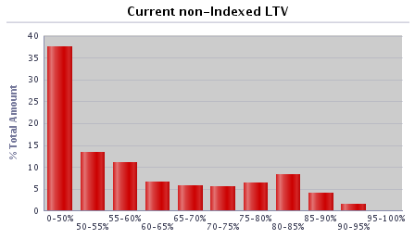 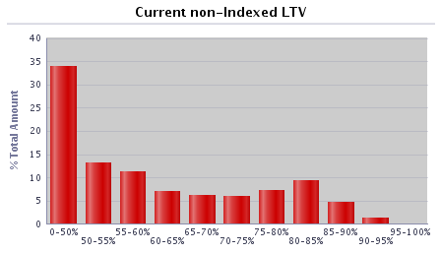 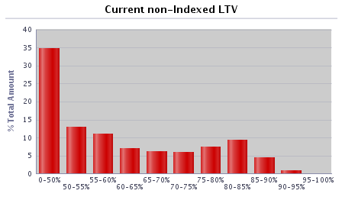
0-50% | 18,878 | 43.26% | £2,559,046,456 | 34.65%
50-55% | 5,069 | 11.61% | £952,941,753 | 12.90%
55-60% | 3,915 | 8.97% | £811,016,583 | 10.98%
60-65% | 2,223 | 5.09% | £519,961,133 | 7.04%
65-70% | 2,164 | 4.96% | £460,387,776 | 6.23%
70-75% | 2,201 | 5.04% | £433,525,174 | 5.87%
75-80% | 3,102 | 7.11% | £555,040,502 | 7.52%
80-85% | 3,670 | 8.41% | £693,882,016 | 9.40%
85-90% | 2,014 | 4.61% | £335,645,294 | 4.54%
90-95% | 406 | 0.93% | £63,514,517 | 0.86%
95-100% | 0 | 0.00% | £0 | 0.00%
100-105% | 0 | 0.00% | £0 | 0.00%
105-110% | 0 | 0.00% | £0 | 0.00%
110-125% | 0 | 0.00% | £0 | 0.00%
125%+ | 0 | 0.00% | £0 | 0.00%
Total | 43,642 | 100.00% | £7,384,961,203 | 100.00%

Current indexed LTV | Number | % of total number | Amount (GBP) | % of total amount |  | 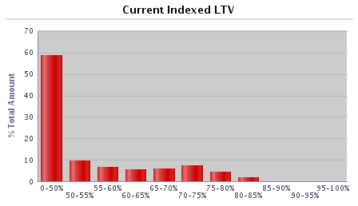 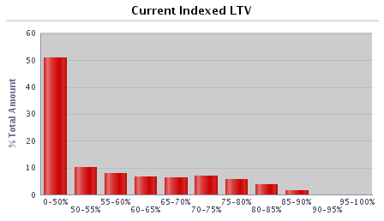 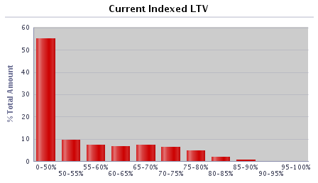
0-50% | 27,065 | 62.02% | £4,055,959,917 | 54.92%
50-55% | 3,264 | 7.48% | £705,150,232 | 9.55%
55-60% | 2,476 | 5.67% | £536,397,504 | 7.26%
60-65% | 2,510 | 5.75% | £496,995,351 | 6.73%
65-70% | 3,011 | 6.90% | £548,429,906 | 7.43%
70-75% | 2,501 | 5.73% | £477,798,791 | 6.47%
75-80% | 1,736 | 3.98% | £350,738,842 | 4.75%
80-85% | 763 | 1.75% | £154,885,630 | 2.10%
85-90% | 316 | 0.72% | £58,605,031 | 0.79%
90-95% | 0 | 0.00% | £0 | 0.00%
95-100% | 0 | 0.00% | £0 | 0.00%
100-105% | 0 | 0.00% | £0 | 0.00%
105-110% | 0 | 0.00% | £0 | 0.00%
110-125% | 0 | 0.00% | £0 | 0.00%
125%+ | 0 | 0.00% | £0 | 0.00%
Total | 43,642 | 100.00% | £7,384,961,203 | 100.00%

Current outstanding balance of loan | Number | % of total number | Amount (GBP) | % of total amount |  | 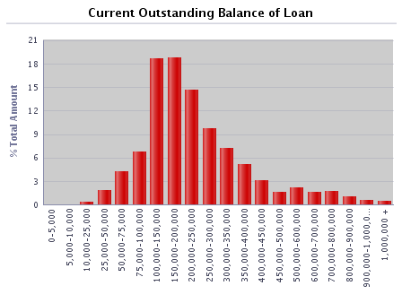 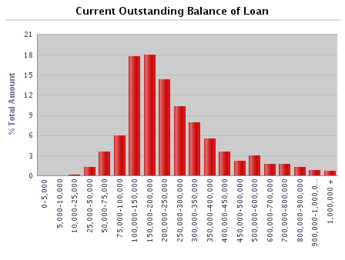 
0-5,000 | 127 | 0.29% | £286,135 | 0.00%
5,000-10,000 | 168 | 0.38% | £1,258,112 | 0.02%
10,000-25,000 | 791 | 1.81% | £14,396,899 | 0.19%
25,000-50,000 | 2,409 | 5.52% | £93,941,304 | 1.27%
50,000-75,000 | 4,284 | 9.82% | £270,202,612 | 3.66%
75,000-100,000 | 5,214 | 11.95% | £457,950,500 | 6.20%
100,000-150,000 | 10,683 | 24.48% | £1,328,063,244 | 17.98%
150,000-200,000 | 7,671 | 17.58% | £1,327,694,831 | 17.98%
200,000-250,000 | 4,663 | 10.68% | £1,039,205,538 | 14.07%
250,000-300,000 | 2,816 | 6.45% | £767,377,225 | 10.39%
300,000-350,000 | 1,756 | 4.02% | £566,173,100 | 7.67%
350,000-400,000 | 1,070 | 2.45% | £398,205,284 | 5.39%
400,000-450,000 | 639 | 1.46% | £269,131,348 | 3.64%
450,000-500,000 | 355 | 0.81% | £167,546,849 | 2.27%
500,000-600,000 | 398 | 0.91% | £215,429,816 | 2.92%
600,000-700,000 | 194 | 0.44% | £124,347,668 | 1.68%
700,000-800,000 | 165 | 0.38% | £123,269,884 | 1.67%
800,000-900,000 | 122 | 0.28% | £102,732,198 | 1.39%
900,000-1,000,000 | 68 | 0.16% | £64,007,749 | 0.87%
1,000,000 + | 49 | 0.11% | £53,740,906 | 0.73%
Total | 43,642 | 100.00% | £7,384,961,203 | 100.00%

Regional distribution | Number | % of total number | Amount (GBP) | % of total amount |  | 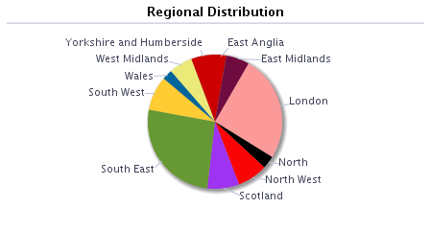 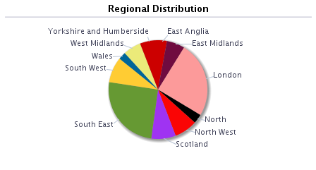 
East Anglia | 1,324 | 3.03% | £215,010,836 | 2.91%
East Midlands | 3,150 | 7.22% | £439,686,576 | 5.95%
London | 6,900 | 15.81% | £1,826,386,560 | 24.73%
North | 2,106 | 4.83% | £226,606,566 | 3.07%
North West | 4,223 | 9.68% | £560,450,591 | 7.59%
Outer Metro | 0 | 0.00% | £0 | 0.00%
South East | 8,760 | 20.07% | £1,847,969,120 | 25.02%
South West | 3,713 | 8.51% | £623,776,147 | 8.45%
Scotland | 5,414 | 12.41% | £587,130,599 | 7.95%
Wales | 1,472 | 3.37% | £184,698,429 | 2.50%
West Midlands | 3,014 | 6.91% | £435,050,738 | 5.89%
Yorkshire and Humberside | 3,566 | 8.17% | £438,195,042 | 5.93%
Other | 0 | 0.00% | £0 | 0.00%
Total | 43,642 | 100.00% | £7,384,961,203 | 100.00%

Repayment Type | Number | % of total number | Amount (GBP) | % of total amount
Capital repayment | 36,738 | 84.18% | £5,885,524,680 | 79.70%
Part-and-part | 503 | 1.15% | £131,677,199 | 1.78%
Interest-only | 6,401 | 14.67% | £1,367,759,323 | 18.52%
Offset | 0 | 0.00% | £0 | 0.00%
Total | 43,642 | 100.00% | £7,384,961,203 | 100.00%

Seasoning | Number | % of total number | Amount (GBP) | % of total amount |  | 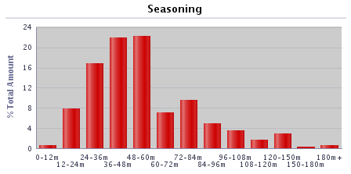 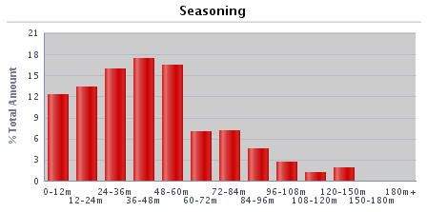 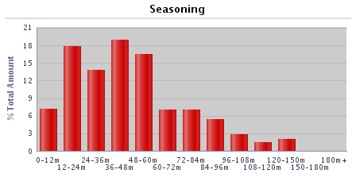
0-12 months | 2,519 | 5.77% | £524,187,102 | 7.10%
12-24 months | 5,688 | 13.03% | £1,311,433,220 | 17.76%
24-36 months | 6,099 | 13.98% | £1,017,477,227 | 13.78%
36-48 months | 8,432 | 19.32% | £1,391,438,231 | 18.84%
48-60 months | 7,355 | 16.85% | £1,213,686,930 | 16.43%
60-72 months | 3,330 | 7.63% | £522,882,735 | 7.08%
72-84 months | 3,292 | 7.54% | £518,475,665 | 7.02%
84-96 months | 2,858 | 6.55% | £401,670,365 | 5.44%
96-108 months | 1,559 | 3.57% | £213,230,781 | 2.89%
108-120 months | 847 | 1.94% | £107,677,839 | 1.46%
120-150 months | 1,414 | 3.24% | £150,552,007 | 2.04%
150-180 months | 70 | 0.16% | £5,357,332 | 0.07%
180+ months | 179 | 0.41% | £6,891,768 | 0.09%
Total | 43,642 | 100.00% | £7,384,961,203 | 100.00%

Interest payment type | Number | % of total number | Amount (GBP) | % of total amount
Fixed | 42,071 | 96.40% | £7,212,053,908 | 97.66%
SVR | 1,360 | 3.12% | £127,827,686 | 1.73%
Tracker | 211 | 0.48% | £45,079,609 | 0.61%
Other (please specify) | 0 | 0.00% | £0 | 0.00%
Total | 43,642 | 100.00% | £7,384,961,203 | 100.00%

Loan purpose type | Number | % of total number | Amount (GBP) | % of total amount
Owner-occupied | 38,078 | 87.25% | £6,553,547,080 | 88.74%
Buy-to-let | 5,564 | 12.75% | £831,414,123 | 11.26%
Second home | 0 | 0.00% | £0 | 0.00%
Total | 43,642 | 100.00% | £7,384,961,203 | 100.00%

Income verification type | Number | % of total number | Amount (GBP) | % of total amount
Fully verified | 43,642 | 100.00% | £7,384,961,203 | 100.00%
Fast-track | 0 | 0.00% | £0 | 0.00%
Self-certified | 0 | 0.00% | £0 | 0.00%
Total | 43,642 | 100.00% | £7,384,961,203 | 100.00%

Remaining term of loan | Number | % of total number | Amount (GBP) | % of total amount
0-30 months | 454 | 1.04% | £27,934,707 | 0.38%
30-60 months | 1,221 | 2.80% | £101,681,136 | 1.38%
60-120 months | 5,129 | 11.75% | £568,524,266 | 7.70%
120-180 months | 8,019 | 18.37% | £1,148,022,902 | 15.55%
180-240 months | 9,880 | 22.64% | £1,726,533,216 | 23.38%
240-300 months | 9,135 | 20.93% | £1,801,321,753 | 24.39%
300-360 months | 5,697 | 13.05% | £1,174,726,693 | 15.91%
360+ months | 4,107 | 9.41% | £836,216,531 | 11.32%
Total | 43,642 | 100.00% | £7,384,961,203 | 100.00%

Employment status | Number | % of total number | Amount (GBP) | % of total amount
Employed | 35,085 | 80.39% | £5,614,598,857 | 76.03%
Self-employed | 6,971 | 15.97% | £1,594,345,420 | 21.59%
Unemployed | 317 | 0.73% | £49,213,587 | 0.67%
Retired | 629 | 1.44% | £69,938,904 | 0.95%
Guarantor | 0 | 0.00% | £0 | 0.00%
Other | 640 | 1.47% | £56,864,435 | 0.77%
Total | 43,642 | 100.00% | £7,384,961,203 | 100.00%

Covered Bonds Outstanding, Associated Derivatives

Bond Description | Series 2012-2 | Series 1 | Series 2 | Series 3 | Series 4
Issue date | 8-Jun-12 | 28-Mar-19 | 24-Sep-19 | 15-Feb-22 | 28-Jun-22
Original rating (Moody’s, S&P, Fitch, DBRS) | Aaa/AAA | Aaa/AAA | Aaa/AAA | Aaa/AAA | Aaa/AAA
Current rating (Moody’s, S&P, Fitch, DBRS) | Aaa/AAA | Aaa/AAA | Aaa/AAA | Aaa/AAA | Aaa/AAA
Denomination | GBP | GBP | EUR | GBP | EUR
Amount at issuance | £700,000,000 | £600,000,000 | € 600,000,000 | £600,000,000 | € 500,000,000
Amount outstanding | £700,000,000 | £600,000,000 | € 600,000,000 | £600,000,000 | € 500,000,000
FX swap rate (rate:£1) | 1.00 | 1.00 | 1.13 | 1.00 | 1.16
Maturity Type (hard, soft-bullet, pass-through) | soft-bullet | soft-bullet | soft-bullet | soft-bullet | soft-bullet
Scheduled final maturity date | 8-Jun-26 | 22-Mar-24 | 22-Sep-26 | 22-Jan-27 | 22-Jun-27
Legal final maturity date | 8-Jun-27 | 22-Mar-25 | 22-Sep-27 | 22-Jan-28 | 22-Jun-28
ISIN | XS0789991527 | XS1968589116 | XS2049803575 | XS2443513440 | XS2493830827
Stock Exchange Listing | London | London | London | London | London
Coupon payment frequency | Annual | Quarterly | Annual | Quarterly | Annual
Coupon payment date | 8-Jun-23 | 22-Sep-22 | 22-Sep-22 | 22-Jul-22 | 22-Jun-23
Coupon (rate if fixed, margin and reference rate if floating) | 4.625% | Compounded Daily SONIA + 0.70% | 0.01% | Compounded Daily SONIA + 0.28% | 2.50%
Margin payable under extended maturity period (%) | Compounded Daily SONIA + 1.6692% |  | 1M Euribor + 0.30% |  | 1M Euribor +0.24%
Swap Counterparties | National Australia Bank Ltd |  | HSBC Bank plc |  | Crédit Agricole Corporate and Investment Bank
Swap notional denomination | GBP |  | GBP |  | GBP
Swap notional amount | £700,000,000 |  | £532,800,000 |  | £430,300,000
Swap notional maturity | 8-Jun-26 |  | 22-Sep-26 |  | 22-Jun-27
LLP receive rate/margin | 4.625% |  | 0.01% |  | 2.50%
LLP pay rate/margin | Compounded Daily SONIA + 2.63% |  | Compounded Daily SONIA + 0.961% |  | Compounded Daily SONIA + 0.628%

Programme Triggers

Event (please list all triggers) | Summary of Events | Trigger (S&P, Moody's, Fitch, DBRS, short-term, long-term) | Trigger breached (Yes/No) | Consequence of a trigger breach
VM/Issuer | Issuer Event of Default | Issuer Event of Default | No | Notice to pay is served on the LLP
VM/Seller | Default of Seller | N/A | No | Legal title transferred to the LLP
Account Bank (Trigger 1) | Account Bank falls below trigger | P-1/A2 (Moody's), F1+ or AA- (Fitch) | No | Replace/find guarantor or move to remedial ratings
Account Bank (Trigger 2) | Account Bank falls below trigger | A3 (Moody's), F1 or A (Fitch) | No | Replace/find guarantor
VM Account Bank (Trigger 1) | VM Account Bank falls below trigger | A3 (Moody's), F1 or A (Fitch) | Yes | VM Permitted Amount applies
VM Account Bank (Trigger 2) | VM Account Bank falls below trigger | BBB- (Fitch) | No | Transfer funds to suitably rated Account Bank
Swap collateral Account Bank | Swap Collateral Account Bank falls below trigger | A3 (Moody's), F1 or A (Fitch) | No | Replace/find guarantor or move to remedial ratings
Administrator | Administrator falls below trigger | Baa3(CR) (Moody's), BBB- (Fitch) | No | Appoint Back-up Administrator
Cash manager | Cash Manager falls below trigger | Baa3(CR) (Moody's), BBB- (Fitch) | No | Appoint Back-up Cash Manager
Cash Manager Relevant Event | Cash Manager falls below trigger | Baa1 (Moody's) | No | Seller to make Cash Capital Contribution to pre-fund coupon payments
Interest Rate Swap Provider (Fixed/Tracker) Trigger 1 | Interest Rate Swap Provider (Fixed/Tracker) falls below trigger | A3(CR) (Moody's), F1 or A (Fitch) | Yes | Collateral posted, or guarantor/replacement to be found
Interest Rate Swap Provider (SVR) Trigger 1 | Interest Rate Swap Provider (SVR) falls below trigger | Baa3(CR) (Moody's), BBB- (Fitch) | No | Collateral posted, or guarantor/replacement to be found
Interest Rate Swap Provider (Fixed/Tracker) Trigger 2 | Interest Rate Swap Provider falls below trigger | Baa1(CR) (Moody's), F3 or BBB- (Fitch) | No | Guarantor/replacement to be found
Interest Rate Swap Provider (SVR) Trigger 2 | Interest Rate Swap Provider falls below trigger | Ba3(CR) (Moody's), BB- (Fitch) | No | Guarantor/replacement to be found or reduce swap notional to zero
LLP Event of Default (post VM Event of Default) | LLP Event of Default | LLP Event of Default | No | Covered Bonds become immediately due and payable
Covered Bond Swap Provider (Trigger 1) | Covered Bond Swap Provider falls below trigger | A3(CR) (Moody's), F1 or A (Fitch) | No | Counterparty to take certain remedial action including collateral
Covered Bond Swap Provider (Trigger 2) | Covered Bond Swap Provider falls below trigger | Baa1(CR) (Moody's), F3 or BBB- (Fitch) | No | Guarantor/replacement to be found
ACT Set-off | Issuer falls below trigger | P1 or A2 (Moody's), F1 or A (Fitch) | Yes | Calculate ACT including set-off risk
Reserve Fund | Issuer falls below trigger | P-1 (Moody's), F1+ (Fitch) | Yes | Fund Reserve Fund to required amount
ACT Test Frequency | Issuer/Cash Manager falls below trigger | Baa3(CR) (Moody's), BBB- (Fitch) | No | Asset Monitor check arithmetic accuracy of ACT monthly

