D. Covered Bond Report
Annex 2D
Administration

Administration | Item Value
Name of issuer | Clydesdale Bank PLC
Name of RCB programme | Clydesdale Bank PLC (formerly Virgin Money plc) Programme
Name, job title and contact details of person validating this form | Mark Henderson, New Funding Manager, mark.henderson@virginmoney.com, 07909 442634
Date of form submission | 20/07/2023
Start Date of reporting period | 01/06/2023
End Date of reporting period | 30/06/2023
Web links – prospectus, transaction documents, loan level data | https://www.virginmoneyukplc.com/investor-relations/debt-investors/global-covered-bonds/

Counterparties, Ratings

 | Counterparty/ies | Fitch |  | Moody's |  | S&P |  | DBRS
 |  | Rating trigger | Current rating | Rating trigger | Current rating | Rating trigger | Current rating | Rating trigger | Current rating
Account bank | HSBC Bank plc | AA- / F1+ | AA- / F1+ | A2 / P-1 | A1 / P-1 | N/A | N/A | N/A | N/A
Administrator | Clydesdale Bank PLC | BBB- | A- / F2 | Baa3(CR) | A1(CR) / P-1(CR) | N/A | N/A | N/A | N/A
Cash manager | Clydesdale Bank PLC | BBB- | A- / F2 | Baa3(CR) | A1(CR) / P-1(CR) | N/A | N/A | N/A | N/A
Covered Bond Swap Provider | HSBC Bank plc | A / F1 | AA- / F1+ | A3(CR) | Aa3(CR) | N/A | N/A | N/A | N/A
Covered Bond Swap Provider | National Australia Bank Limited | A / F1 | A+ / F1 | A3(CR) | Aa2(CR) / P-1(CR) | N/A | N/A | N/A | N/A
Covered Bond Swap Provider | Crédit Agricole Corporate and Investment Bank | A(DCR) / F1 | AA-(DCR) / F1 | A3(CR) | Aa2(CR) / P-1(CR) | N/A | N/A | N/A | N/A
Covered bonds | Clydesdale Bank PLC (formerly Virgin Money plc) Programme | N/A | AAA | N/A | Aaa | N/A | N/A | N/A | N/A
Interest Rate Swap Provider | Clydesdale Bank PLC | A / F1 | A- / F2 | A3(CR) | A1(CR) / P-1(CR) | N/A | N/A | N/A | N/A
Issuer | Clydesdale Bank PLC | N/A | A- / F2 | N/A | A1(CR) / P-1(CR) | N/A | N/A | N/A | N/A
Issuer Account Bank | Clydesdale Bank PLC | BBB- | A- / F2 | N/A | A3 / P-2 | N/A | N/A | N/A | N/A
Seller(s) | Clydesdale Bank PLC | N/A | A- / F2 | N/A | A1(CR) / P-1(CR) | N/A | N/A | N/A | N/A
Swap Collateral Account Bank | HSBC Bank plc | A / F1 | AA- / F1+ | A3 | A1 / P-1 | N/A | N/A | N/A | N/A

Swap Details

Swap Details | Value
Fixed Interest Rate Swap
Swap notional amount(s) (GBP) | £7,873,563,697.56
Swap notional maturities | Notional reduces to zero
LLP receive rate/margin (%) | 1.65%
LLP pay rate/margin (%) | 2.01%
Collateral posting amount(s) (GBP) | £770,194,540.90
Tracker Interest Rate Swap
Swap notional amount(s) (GBP) | £75,376,830.21
Swap notional maturities | Notional reduces to zero
LLP receive rate/margin (%) | 1.45%
LLP pay rate/margin (%) | 5.13%
Collateral posting amount(s) (GBP) | £2,009,397.17
SVR Interest Rate Swap
Swap notional amount(s) (GBP) | £205,350,436.21
Swap notional maturities | Notional reduces to zero
LLP receive rate/margin (%) | 2.25%
LLP pay rate/margin (%) | 8.22%
Collateral posting amount(s) (GBP) | £0.00
Series 2012-2 Bond
Swap notional amount(s) (GBP) | £700,000,000.00
Swap notional maturities | 8-Jun-26
LLP receive rate/margin (%) | 4.625%
LLP pay rate/margin (%) | Compounded Daily SONIA + 2.63%
Collateral posting amount(s) (GBP) | £0.00
Series 2 Bond
Swap notional amount(s) (GBP) | £532,800,000.00
Swap notional maturities | 22-Sep-26
LLP receive rate/margin (%) | 0.01%
LLP pay rate/margin (%) | Compounded Daily SONIA + 0.961%
Collateral posting amount(s) (GBP) | £0.00
Series 4 Bond
Swap notional amount(s) (GBP) | £430,300,000.00
Swap notional maturities | 22-Jun-27
LLP receive rate/margin (%) | 2.50%
LLP pay rate/margin (%) | Compounded Daily SONIA + 0.628%
Collateral posting amount(s) (GBP) | £0.00

Accounts, Ledgers

Description | Value as of End Date of reporting period | Value as of Start Date of reporting period | Targeted Value
Principal ledger | £0.00 | £0.00 | £0.00
Principal receipts (please disclose all parts of waterfall) | £86,564,369.00 | £116,366,699.00 | £0.00
Reserve ledger | £62,940,594.13 | £52,121,368.14 | £62,940,594.13
Revenue ledger | £5,100.00 | £4,800.00 | £0.00
Revenue receipts (please disclose all parts of waterfall) | £51,755,018.81 | £53,996,008.87 | £0.00

Description | Current Reporting Period | Previous Reporting Period
Available Revenue Receipts | 0.00 | 0.00
Revenue Receipts received during the calculation period | £46,267,645.43 | £41,917,160.55
Other net income of the LLP (including interest on LLP Accounts, Substitution Assets and Authorised Investments) | £1,551,750.74 | £1,308,921.64
Reserve Fund amounts in excess of the Reserve Fund Required Amount | £0.00 | £0.00
Reserve Fund amounts utilised following the Notice to Pay | £0.00 | £0.00
Coupon Payment Ledger amounts in excess of the Required Coupon Amount | £4,482,000.00 | £10,897,500.00
Payments made by the Seller to fund Non-Cash Borrow-Backs | £98,053.48 | £109,283.05
Cash Capital Contributions deemed as Revenue | £0.00 | £0.00
Previously withheld receipts to be paid in the month | £0.00 | £0.00
Removal of Non-LLP Amounts | -£644,430.84 | -£236,856.37
Total | £51,755,018.81 | £53,996,008.87
Revenue Priority of Payments
Bond Trustee charges | £0.00 | £0.00
Security Trustee charges | £0.00 | £0.00
Agency charges | £0.00 | £0.00
Account Bank charges | £0.00 | £0.00
Corporate Services Provider charges | £0.00 | £0.00
Third Party charges | £0.00 | £0.00
Administrator charges | £536,193.91 | £561,969.96
Cash Manager charges | £500.00 | £500.00
VM Account Bank charges | £0.00 | £0.00
Asset Monitor charges | £0.00 | £0.00
Amounts paid to the Initial Interest Rate Swap Provider | £0.00 | £0.00
Amounts paid to the Covered Bond Swap Providers | £9,340,920.01 | £8,493,332.20
Amounts paid (other than in respect of principal) on any Term Advance to the Issuer | £7,188,000.00 | £16,771,500.00
Credit to the Accumulation Ledger | £8,300,000.00 | £2,412,000.00
Credit to the Transaction Account following an Administrator Event of Default | £0.00 | £0.00
Credit to the Reserve Ledger | £10,819,225.99 | £45,286.10
Excluded Swap Termination Amounts | £0.00 | £0.00
Indemnity amounts paid to Asset Monitor and Members | £0.00 | £0.00
Repayment to VM of any Cash Capital Contributions deemed as revenue or otherwise made to the Coupon Payment Ledger | £0.00 | £0.00
VM Deferred Consideration | £15,569,878.91 | £25,711,120.62
Liquidation Member fee | £0.00 | £0.00
Profit paid to Members | £300.00 | £300.00
Total | £51,755,018.81 | £53,996,008.87
Available Principal Receipts | £0.00 | £0.00
Principal Receipts received during the Calculation Period | £80,684,631.00 | £110,802,404.00
Other amounts received during the calculation period (including proceeds from the sale of Selected Mortgage Loans) | £5,879,738.00 | £5,564,295.00
Cash Capital Contributions | £0.00 | £0.00
Excess Proceeds | £0.00 | £0.00
Previously withheld receipts to be paid in the month | £0.00 | £0.00
Total | £86,564,369.00 | £116,366,699.00
Principal Priority of Payments | £0.00 | £0.00
Acquisition of New Loans and their Related Security and Substitution Assets | £0.00 | £0.00
Credit to the LLP Accounts to ensure compliance with the Asset Coverage Test | £0.00 | £0.00
Amounts paid to the Covered Bond Swap Provider (in respect of principal) on any Term Advance to the Issuer | £0.00 | £0.00
Retained Principal Collections | £0.00 | £0.00
Capital Distribution to VM | £86,564,369.00 | £116,366,699.00
Total | £86,564,369.00 | £116,366,699.00

Asset Coverage Test | Value | Description
A | £7,463,258,181 | Adjusted current balance
B | £86,564,369 | Principal collections not yet applied
C | £0 | Qualifying additional collateral
D | £0 | Substitute assets
E | £0 | Proceeds of sold mortgage loans
W | £96,742,447 | VM Bank Account Balance
X | £971,467 | Flexible draw capacity
Y | £48,412,447 | Set-off
Z | £63,055,204 | Negative carry
Total | £7,340,640,985
Method used for calculating component 'A' | A(ii)
Asset percentage (%) | 92.50%
Maximum asset percentage from Fitch (%) | 96.00%
Maximum asset percentage from Moody's (%) | 93.00%
Maximum asset percentage from S&P (%) | N/A
Maximum asset percentage from DBRS (%) | N/A
Credit Support as derived from ACT (GBP) | £3,227,540,985
Credit Support as derived from ACT (%) | 78.47%

Programme-Level Characteristics

Programme-Level Characteristics
Programme currency | EUR
Programme size | € 10,000,000,000.00
Covered bonds principal amount outstanding (GBP, non-GBP series converted at swap FX rate) | £4,113,100,000.00
Covered bonds principal amount outstanding (GBP, non-GBP series converted at current spot rate) | £4,094,735,000.00
Cover pool balance (GBP) | £8,068,741,158.00
GIC account balance (GBP) | £149,054,166.03
GIC Account Balance (GBP) – Issuer GIC | £96,742,447.04
GIC Account Balance (GBP) – External GIC 1 | £52,311,718.99
Any additional collateral – Securities Collateral (GBP) | £764,475,938.07
Any additional collateral - Cash Collateral (GBP) | £7,728,000.00
Any additional collateral - Securities Collateral (EUR) | € 0.00
Any additional collateral - Cash Collateral (EUR) | € 0.00
Any additional collateral - Securities Collateral (USD) | $0.00
Any additional collateral - Cash Collateral (USD) | $0.00
Aggregate deposits attaching to the cover pool (GBP) | £48,412,447.00
Aggregate balance of off-set mortgages (GBP) | £0.00
Aggregate deposits attaching specifically to the off-set mortgages (GBP) | £0.00
Nominal level of overcollateralisation (GBP) | £3,955,641,158.00
Nominal level of overcollateralisation (%) | 96.17%
Number of loans in cover pool | 46,521
Average loan balance (GBP) | £173,442.99
Weighted average non-indexed LTV (%) | 58.45%
Weighted average indexed LTV (%) | 50.36%
Weighted average seasoning (months) | 52.54
Weighted average remaining term (months) | 239.82
Weighted average interest rate (%) | 2.28%
Standard Variable Rate(s) (%) | 8.24% (Residential) 8.44% (Buy to Let)
Constant Pre-Payment Rate (% current month) | 8.89%
Constant Pre-Payment Rate (% quarterly average) | 9.51%
Principal Payment Rate (% current month) | 12.02%
Principal Payment Rate (% quarterly average) | 12.61%
Constant Default Rate (% current month) | 0.00%
Constant Default Rate (% quarterly average) | 0.00%
Fitch PCU Uplift | 6
Moody’s Timely Payment Indicator | Probable
Moody’s Collateral Score (%) | 5.00%

Mortgage Collections

Mortgage Collections (scheduled – interest) | £14,573,948.00
Mortgage Collections (scheduled – principal) | £23,519,714.00
Mortgage Collections (unscheduled – interest) | £0.00
Mortgage Collections (unscheduled – principal) | £63,044,655.00

Loan Redemptions & Replenishments Since Previous Reporting Date

 | Number | % of total number | Amount (GBP) | % of total amount
Loan redemptions since previous reporting date | 412 | 90.35% | £50,444,741.32 | 89.55%
Loans bought back by seller(s) | 44 | 9.65% | £5,883,523.19 | 10.45%
of which are non-performing loans | 3 | 0.66% | £393,793.39 | 0.70%
of which have breached R&Ws | 0 | 0.00% | £0.00 | 0.00%
of which have been subject to a product switch | 0 | 0.00% | £0.00 | 0.00%
of which have received a further advance | 36 | 7.89% | £5,113,508.10 | 9.08%
of which are for other reasons | 5 | 1.10% | £376,221.70 | 0.67%
Loans sold into the cover pool | 0 |  | £0.00

Product Rate Type and Reversionary Profiles

 | Number | % of total number | Amount (GBP) | % of total amount | % Current rate | Remaining teaser period (months) | % Current margin | % Reversionary margin | % Initial rate
Fixed at origination, reverting to SVR | 44,545 | 95.75% | £7,839,040,941 | 97.15% | 2.12% | 21.94 | 0.00% | 0.00% | 2.12%
Fixed at origination, reverting to LIBOR | 0 | 0.00% | £0 | 0.00% | 0.00% | 0.00 | 0.00% | 0.00% | 0.00%
Fixed at origination, reverting to tracker | 0 | 0.00% | £0 | 0.00% | 0.00% | 0.00 | 0.00% | 0.00% | 0.00%
Fixed for life | 0 | 0.00% | £0 | 0.00% | 0.00% | 0.00 | 0.00% | 0.00% | 0.00%
Tracker at origination, reverting to SVR | 378 | 0.81% | £74,993,927 | 0.93% | 5.37% | 20.00 | 1.12% | 0.00% | 5.37%
Tracker at origination, reverting to LIBOR | 0 | 0.00% | £0 | 0.00% | 0.00% | 0.00 | 0.00% | 0.00% | 0.00%
Tracker for life | 0 | 0.00% | £0 | 0.00% | 0.00% | 0.00 | 0.00% | 0.00% | 0.00%
SVR, including discount to SVR | 1,598 | 3.44% | £154,706,290 | 1.92% | 8.72% | 0.00 | 0.46% | 0.00% | 8.72%
LIBOR | 0 | 0.00% | £0 | 0.00% | 0.00% | 0.00 | 0.00% | 0.00% | 0.00%
Total | 46,521 | 100.00% | £8,068,741,158 | 100.00% | 2.28% |  | 0.02% | 0.00% | 2.28%
Stratifications

Arrears breakdown | Number | % of total number | Amount (GBP) | % of total amount
Current | 46,379 | 99.69% | £8,047,661,221 | 99.74%
0-1 months in arrears | 34 | 0.07% | £5,760,040 | 0.07%
1-2 months in arrears | 77 | 0.17% | £11,168,191 | 0.14%
2-3 months in arrears | 19 | 0.04% | £2,622,598 | 0.03%
3-6 months in arrears | 11 | 0.02% | £1,419,638 | 0.02%
6-12 months in arrears | 1 | 0.00% | £109,470 | 0.00%
12+ months in arrears | 0 | 0.00% | £0 | 0.00%
Total | 46,521 | 100.00% | £8,068,741,158 | 100.00%

Current non-indexed LTV | Number | % of total number | Amount (GBP) | % of total amount |  | 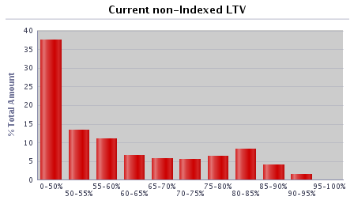 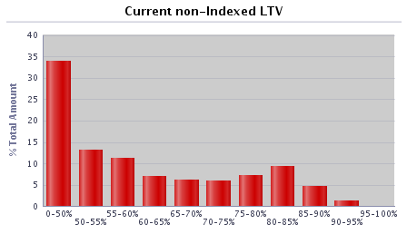 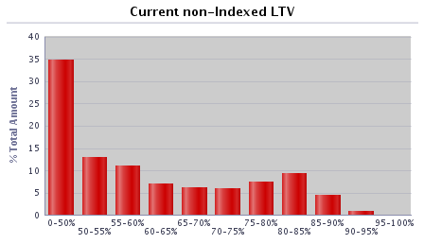  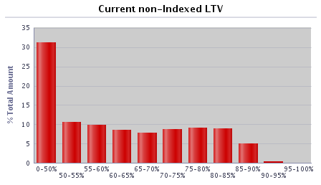 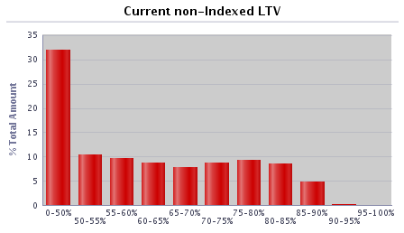 
0-50% | 19,395 | 41.69% | £2,646,344,659 | 32.80%
50-55% | 4,323 | 9.29% | £837,579,921 | 10.38%
55-60% | 3,573 | 7.68% | £772,701,101 | 9.58%
60-65% | 2,965 | 6.37% | £691,914,575 | 8.58%
65-70% | 2,945 | 6.33% | £655,787,093 | 8.13%
70-75% | 3,467 | 7.45% | £686,093,254 | 8.50%
75-80% | 4,234 | 9.10% | £764,917,859 | 9.48%
80-85% | 3,477 | 7.47% | £642,907,439 | 7.97%
85-90% | 2,056 | 4.42% | £356,554,923 | 4.42%
90-95% | 85 | 0.18% | £13,881,581 | 0.17%
95-100% | 1 | 0.00% | £58,754 | 0.00%
100-105% | 0 | 0.00% | £0 | 0.00%
105-110% | 0 | 0.00% | £0 | 0.00%
110-125% | 0 | 0.00% | £0 | 0.00%
125%+ | 0 | 0.00% | £0 | 0.00%
Total | 46,521 | 100.00% | £8,068,741,158 | 100.00%

Current indexed LTV | Number | % of total number | Amount (GBP) | % of total amount |  | 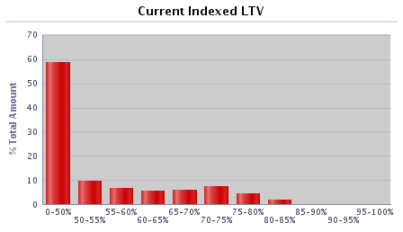 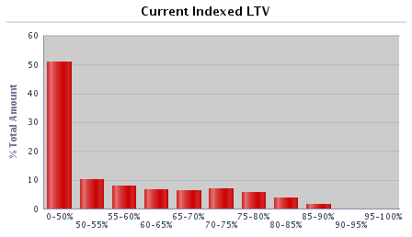 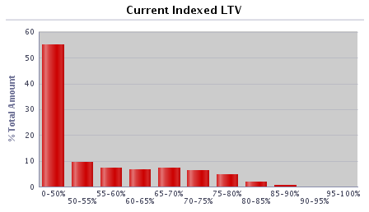 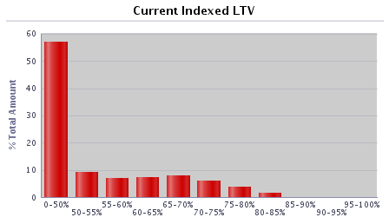 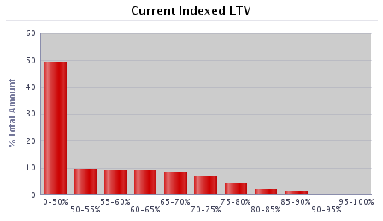 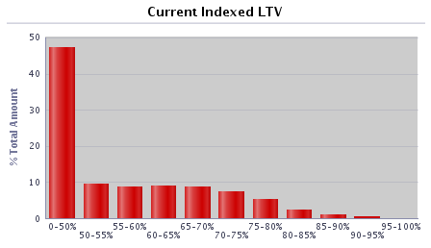 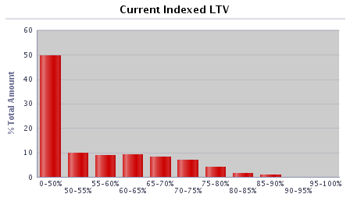
0-50% | 26,897 | 57.82% | £4,007,921,558 | 49.67%
50-55% | 3,706 | 7.97% | £788,113,026 | 9.77%
55-60% | 3,383 | 7.27% | £726,383,373 | 9.00%
60-65% | 3,683 | 7.92% | £736,846,309 | 9.13%
65-70% | 3,420 | 7.35% | £664,858,912 | 8.24%
70-75% | 2,806 | 6.03% | £576,136,602 | 7.14%
75-80% | 1,555 | 3.34% | £328,550,651 | 4.07%
80-85% | 647 | 1.39% | £139,273,936 | 1.73%
85-90% | 387 | 0.83% | £91,932,451 | 1.14%
90-95% | 35 | 0.08% | £8,008,575 | 0.10%
95-100% | 2 | 0.00% | £715,764 | 0.01%
100-105% | 0 | 0.00% | £0 | 0.00%
105-110% | 0 | 0.00% | £0 | 0.00%
110-125% | 0 | 0.00% | £0 | 0.00%
125%+ | 0 | 0.00% | £0 | 0.00%
Total | 46,521 | 100.00% | £8,068,741,158 | 100.00%

Current outstanding balance of loan | Number | % of total number | Amount (GBP) | % of total amount |  | 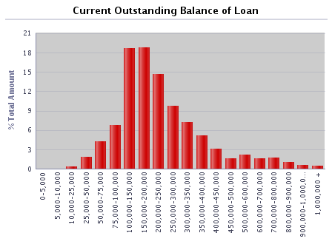 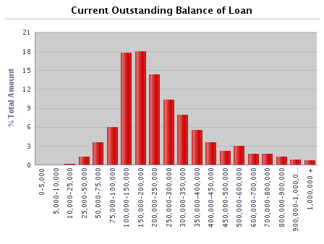   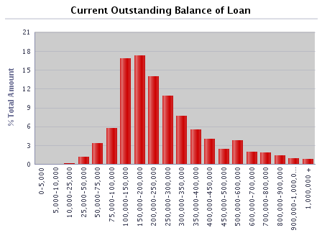  
0-5,000 | 137 | 0.29% | £270,599 | 0.00%
5,000-10,000 | 156 | 0.34% | £1,200,742 | 0.01%
10,000-25,000 | 782 | 1.68% | £14,220,957 | 0.18%
25,000-50,000 | 2,594 | 5.58% | £101,297,637 | 1.26%
50,000-75,000 | 4,475 | 9.62% | £282,119,692 | 3.50%
75,000-100,000 | 5,525 | 11.88% | £485,363,265 | 6.02%
100,000-150,000 | 11,159 | 23.99% | £1,388,105,251 | 17.20%
150,000-200,000 | 7,987 | 17.17% | £1,383,044,765 | 17.14%
200,000-250,000 | 5,037 | 10.83% | £1,123,199,761 | 13.92%
250,000-300,000 | 3,190 | 6.86% | £869,950,401 | 10.78%
300,000-350,000 | 1,872 | 4.02% | £604,926,539 | 7.50%
350,000-400,000 | 1,196 | 2.57% | £446,093,547 | 5.53%
400,000-450,000 | 701 | 1.51% | £295,211,786 | 3.66%
450,000-500,000 | 425 | 0.91% | £200,961,327 | 2.49%
500,000-600,000 | 548 | 1.18% | £296,879,385 | 3.68%
600,000-700,000 | 251 | 0.54% | £161,682,941 | 2.00%
700,000-800,000 | 204 | 0.44% | £152,169,405 | 1.89%
800,000-900,000 | 135 | 0.29% | £114,044,661 | 1.41%
900,000-1,000,000 | 81 | 0.17% | £76,437,107 | 0.95%
1,000,000 + | 66 | 0.14% | £71,561,392 | 0.89%
Total | 46,521 | 100.00% | £8,068,741,158 | 100.00%

Regional distribution | Number | % of total number | Amount (GBP) | % of total amount |  | 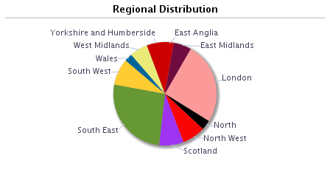 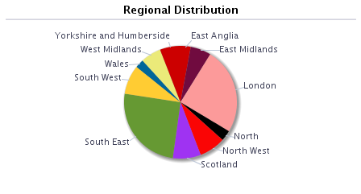   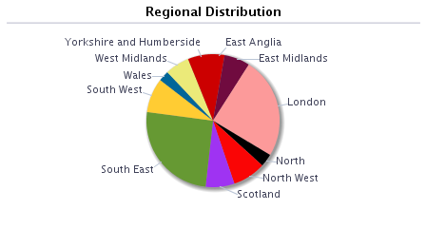 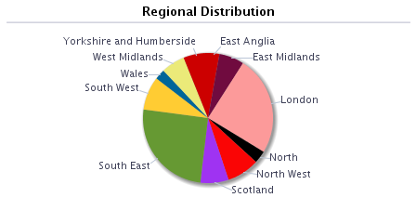 
East Anglia | 1,344 | 2.89% | £224,369,046 | 2.78%
East Midlands | 3,440 | 7.39% | £502,070,069 | 6.22%
London | 7,387 | 15.88% | £1,995,266,610 | 24.73%
North | 2,312 | 4.97% | £251,816,929 | 3.12%
North West | 4,787 | 10.29% | £652,417,492 | 8.09%
Outer Metro | 0 | 0.00% | £0 | 0.00%
South East | 9,358 | 20.12% | £2,034,246,250 | 25.21%
South West | 3,835 | 8.24% | £668,873,514 | 8.29%
Scotland | 5,262 | 11.31% | £563,929,479 | 6.99%
Wales | 1,608 | 3.46% | £206,666,229 | 2.56%
West Midlands | 3,234 | 6.95% | £474,295,106 | 5.88%
Yorkshire and Humberside | 3,954 | 8.50% | £494,790,432 | 6.13%
Other | 0 | 0.00% | £0 | 0.00%
Total | 46,521 | 100.00% | £8,068,741,158 | 100.00%

Repayment Type | Number | % of total number | Amount (GBP) | % of total amount
Capital repayment | 38,763 | 83.32% | £6,289,322,857 | 77.95%
Part-and-part | 495 | 1.06% | £136,390,625 | 1.69%
Interest-only | 7,263 | 15.61% | £1,643,027,676 | 20.36%
Offset | 0 | 0.00% | £0 | 0.00%
Total | 46,521 | 100.00% | £8,068,741,158 | 100.00%

Seasoning | Number | % of total number | Amount (GBP) | % of total amount |  | 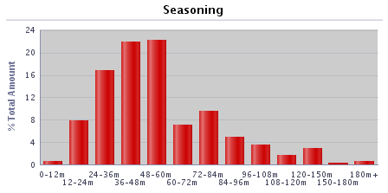 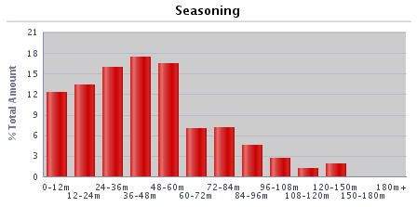 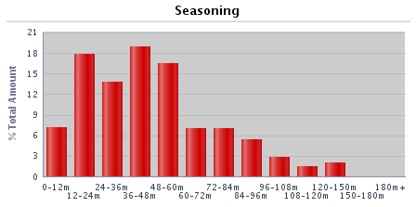 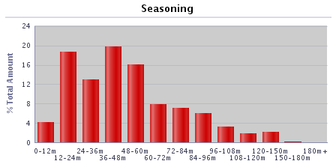 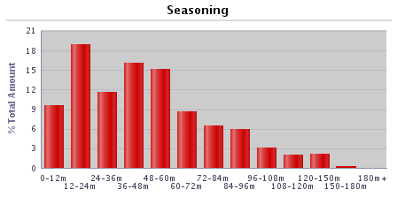 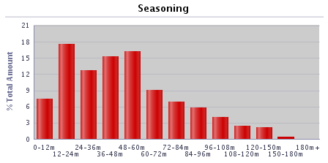 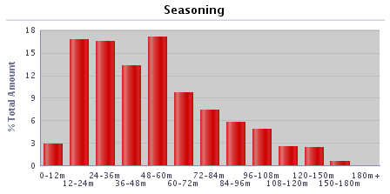
0-12 months | 1,054 | 2.27% | £235,227,537 | 2.92%
12-24 months | 6,007 | 12.91% | £1,353,693,865 | 16.78%
24-36 months | 5,980 | 12.85% | £1,331,986,964 | 16.51%
36-48 months | 6,507 | 13.99% | £1,075,266,068 | 13.33%
48-60 months | 8,529 | 18.33% | £1,378,114,124 | 17.08%
60-72 months | 4,916 | 10.57% | £785,275,443 | 9.73%
72-84 months | 3,729 | 8.02% | £596,523,198 | 7.39%
84-96 months | 3,103 | 6.67% | £467,733,635 | 5.80%
96-108 months | 2,904 | 6.24% | £390,925,134 | 4.84%
108-120 months | 1,550 | 3.33% | £208,550,984 | 2.58%
120-150 months | 1,586 | 3.41% | £192,386,459 | 2.38%
150-180 months | 499 | 1.07% | £47,324,573 | 0.59%
180+ months | 157 | 0.34% | £5,733,175 | 0.07%
Total | 46,521 | 100.00% | £8,068,741,158 | 100.00%

Interest payment type | Number | % of total number | Amount (GBP) | % of total amount
Fixed | 44,545 | 95.75% | £7,839,040,941 | 97.15%
SVR | 1,598 | 3.44% | £154,706,290 | 1.92%
Tracker | 378 | 0.81% | £74,993,927 | 0.93%
Other (please specify) | 0 | 0.00% | £0 | 0.00%
Total | 46,521 | 100.00% | £8,068,741,158 | 100.00%

Loan purpose type | Number | % of total number | Amount (GBP) | % of total amount
Owner-occupied | 40,491 | 87.04% | £7,147,630,594 | 88.58%
Buy-to-let | 6,030 | 12.96% | £921,110,564 | 11.42%
Second home | 0 | 0.00% | £0 | 0.00%
Total | 46,521 | 100.00% | £8,068,741,158 | 100.00%

Income verification type | Number | % of total number | Amount (GBP) | % of total amount
Fully verified | 46,521 | 100.00% | £8,068,741,158 | 100.00%
Fast-track | 0 | 0.00% | £0 | 0.00%
Self-certified | 0 | 0.00% | £0 | 0.00%
Total | 46,521 | 100.00% | £8,068,741,158 | 100.00%

Remaining term of loan | Number | % of total number | Amount (GBP) | % of total amount
0-30 months | 552 | 1.19% | £43,023,505 | 0.53%
30-60 months | 1,415 | 3.04% | £140,222,114 | 1.74%
60-120 months | 5,558 | 11.95% | £674,138,217 | 8.35%
120-180 months | 8,322 | 17.89% | £1,251,799,280 | 15.51%
180-240 months | 10,396 | 22.35% | £1,826,242,404 | 22.63%
240-300 months | 9,626 | 20.69% | £1,913,511,451 | 23.72%
300-360 months | 6,671 | 14.34% | £1,376,772,594 | 17.06%
360+ months | 3,981 | 8.56% | £843,031,594 | 10.45%
Total | 46,521 | 100.00% | £8,068,741,158 | 100.00%

Employment status | Number | % of total number | Amount (GBP) | % of total amount
Employed | 36,993 | 79.52% | £5,981,954,666 | 74.14%
Self-employed | 7,916 | 17.02% | £1,881,483,483 | 23.32%
Unemployed | 324 | 0.70% | £51,776,167 | 0.64%
Retired | 616 | 1.32% | £72,728,256 | 0.90%
Guarantor | 0 | 0.00% | £0 | 0.00%
Other | 672 | 1.44% | £80,798,586 | 1.00%
Total | 46,521 | 100.00% | £8,068,741,158 | 100.00%

Covered Bonds Outstanding, Associated Derivatives

Bond Description | Series 2012-2 | Series 1 | Series 2 | Series 3 | Series 4 | Series 5 | Series 6
Issue date | 8-Jun-12 | 28-Mar-19 | 24-Sep-19 | 15-Feb-22 | 28-Jun-22 | 7-Sep-22 | 30-Jun-23
Original rating (Moody’s, S&P, Fitch, DBRS) | Aaa/AAA | Aaa/AAA | Aaa/AAA | Aaa/AAA | Aaa/AAA | Aaa/AAA | Aaa/AAA
Current rating (Moody’s, S&P, Fitch, DBRS) | Aaa/AAA | Aaa/AAA | Aaa/AAA | Aaa/AAA | Aaa/AAA | Aaa/AAA | Aaa/AAA
Denomination | GBP | GBP | EUR | GBP | EUR | GBP | GBP
Amount at issuance | £700,000,000 | £600,000,000 | € 600,000,000 | £600,000,000 | € 500,000,000 | £750,000,000 | £500,000,000
Amount outstanding | £700,000,000 | £600,000,000 | € 600,000,000 | £600,000,000 | € 500,000,000 | £750,000,000 | £500,000,000
FX swap rate (rate:£1) | 1.00 | 1.00 | 1.13 | 1.00 | 1.16 | 1.00 | 1.00
Maturity Type (hard, soft-bullet, pass-through) | soft-bullet | soft-bullet | soft-bullet | soft-bullet | soft-bullet | soft-bullet | soft-bullet
Scheduled final maturity date | 8-Jun-26 | 22-Mar-24 | 22-Sep-26 | 22-Jan-27 | 22-Jun-27 | 22-Mar-26 | 22-Jun-28
Legal final maturity date | 8-Jun-27 | 22-Mar-25 | 22-Sep-27 | 22-Jan-28 | 22-Jun-28 | 22-Mar-27 | 22-Jun-29
ISIN | XS0789991527 | XS1968589116 | XS2049803575 | XS2443513440 | XS2493830827 | XS2527432277 | XS2643790590
Stock Exchange Listing | London | London | London | London | London | London | London
Coupon payment frequency | Annual | Quarterly | Annual | Quarterly | Annual | Quarterly | Quarterly
Coupon payment date | 10-Jun-24 | 22-Sep-23 | 22-Sep-23 | 24-Jul-23 | 24-Jun-24 | 22-Sep-23 | 22-Sep-23
Coupon (rate if fixed, margin and reference rate if floating) | 4.625% | Compounded Daily SONIA + 0.70% | 0.01% | Compounded Daily SONIA + 0.28% | 2.50% | Compounded Daily SONIA + 0.62% | Compounded Daily SONIA + 0.55%
Margin payable under extended maturity period (%) | Compounded Daily SONIA + 1.6692% |  | 1M Euribor + 0.30% |  | 1M Euribor +0.24%
Swap Counterparties | National Australia Bank Ltd |  | HSBC Bank plc |  | Crédit Agricole Corporate and Investment Bank
Swap notional denomination | GBP |  | GBP |  | GBP
Swap notional amount | £700,000,000 |  | £532,800,000 |  | £430,300,000
Swap notional maturity | 8-Jun-26 |  | 22-Sep-26 |  | 22-Jun-27
LLP receive rate/margin | 4.625% |  | 0.01% |  | 2.50%
LLP pay rate/margin | Compounded Daily SONIA + 2.63% |  | Compounded Daily SONIA + 0.961% |  | Compounded Daily SONIA + 0.628%

Programme Triggers

Event (please list all triggers) | Summary of Events | Trigger (S&P, Moody's, Fitch, DBRS, short-term, long-term) | Trigger breached (Yes/No) | Consequence of a trigger breach
VM/Issuer | Issuer Event of Default | Issuer Event of Default | No | Notice to pay is served on the LLP
VM/Seller | Default of Seller | N/A | No | Legal title transferred to the LLP
Account Bank (Trigger 1) | Account Bank falls below trigger | P-1/A2 (Moody's), F1+ or AA- (Fitch) | No | Replace/find guarantor or move to remedial ratings
Account Bank (Trigger 2) | Account Bank falls below trigger | A3 (Moody's), F1 or A (Fitch) | No | Replace/find guarantor
VM Account Bank (Trigger 1) | VM Account Bank falls below trigger | A3 (Moody's), F1 or A (Fitch) | Yes | VM Permitted Amount applies
VM Account Bank (Trigger 2) | VM Account Bank falls below trigger | BBB- (Fitch) | No | Transfer funds to suitably rated Account Bank
Swap collateral Account Bank | Swap Collateral Account Bank falls below trigger | A3 (Moody's), F1 or A (Fitch) | No | Replace/find guarantor or move to remedial ratings
Administrator | Administrator falls below trigger | Baa3(CR) (Moody's), BBB- (Fitch) | No | Appoint Back-up Administrator
Cash manager | Cash Manager falls below trigger | Baa3(CR) (Moody's), BBB- (Fitch) | No | Appoint Back-up Cash Manager
Cash Manager Relevant Event | Cash Manager falls below trigger | Baa1 (Moody's) | No | Seller to make Cash Capital Contribution to pre-fund coupon payments
Interest Rate Swap Provider (Fixed/Tracker) Trigger 1 | Interest Rate Swap Provider (Fixed/Tracker) falls below trigger | A3(CR) (Moody's), F1 or A (Fitch) | Yes | Collateral posted, or guarantor/replacement to be found
Interest Rate Swap Provider (SVR) Trigger 1 | Interest Rate Swap Provider (SVR) falls below trigger | Baa3(CR) (Moody's), BBB- (Fitch) | No | Collateral posted, or guarantor/replacement to be found
Interest Rate Swap Provider (Fixed/Tracker) Trigger 2 | Interest Rate Swap Provider falls below trigger | Baa1(CR) (Moody's), F3 or BBB- (Fitch) | No | Guarantor/replacement to be found
Interest Rate Swap Provider (SVR) Trigger 2 | Interest Rate Swap Provider falls below trigger | Ba3(CR) (Moody's), BB- (Fitch) | No | Guarantor/replacement to be found or reduce swap notional to zero
LLP Event of Default (post VM Event of Default) | LLP Event of Default | LLP Event of Default | No | Covered Bonds become immediately due and payable
Covered Bond Swap Provider (Trigger 1) | Covered Bond Swap Provider falls below trigger | A3(CR) (Moody's), F1 or A (Fitch) | No | Counterparty to take certain remedial action including collateral
Covered Bond Swap Provider (Trigger 2) | Covered Bond Swap Provider falls below trigger | Baa1(CR) (Moody's), F3 or BBB- (Fitch) | No | Guarantor/replacement to be found
ACT Set-off | Issuer falls below trigger | P1 or A2 (Moody's), F1 or A (Fitch) | Yes | Calculate ACT including set-off risk
Reserve Fund | Issuer falls below trigger | P-1 (Moody's), F1+ (Fitch) | Yes | Fund Reserve Fund to required amount
ACT Test Frequency | Issuer/Cash Manager falls below trigger | Baa3(CR) (Moody's), BBB- (Fitch) | No | Asset Monitor check arithmetic accuracy of ACT monthly

