D. Covered bond report
Annex 2D
Administration

Administration | Item Value
Name of issuer | Clydesdale Bank PLC
Name of RCB programme | Clydesdale Bank PLC (formerly Virgin Money plc) Programme
Name, job title and contact details of person validating this form | Mark Henderson, New Funding Manager, mark.henderson@virginmoney.com, 07909 442634
Date of form submission | 20/04/2022
Start Date of reporting period | 01/03/2022
End Date of reporting period | 31/03/2022
Web links – prospectus, transaction documents, loan level data | https://www.cybg.com/investor-relations/debt-investors/global-covered-bonds/

Counterparties, Ratings

 | Counterparty/ies | Fitch |  | Moody's |  | S&P |  | DBRS
 |  | Rating trigger | Current rating | Rating trigger | Current rating | Rating trigger | Current rating | Rating trigger | Current rating
Account bank | HSBC Bank plc | AA- / F1+ | AA- / F1+ | A2 / P-1 | A1 / P-1 | N/A | N/A | N/A | N/A
Administrator | Clydesdale Bank PLC | BBB- | A- / F2 | Baa3(CR) | A2(CR) / P-1(CR) | N/A | N/A | N/A | N/A
Cash manager | Clydesdale Bank PLC | BBB- | A- / F2 | Baa3(CR) | A2(CR) / P-1(CR) | N/A | N/A | N/A | N/A
Covered Bond Swap Provider | HSBC Bank plc | A / F1 | AA- / F1+ | A3(CR) | Aa3(CR) | N/A | N/A | N/A | N/A
Covered Bond Swap Provider | National Australia Bank Limited | A / F1 | A+ / F1 | A3(CR) | Aa2(CR) / P-1(CR) | N/A | N/A | N/A | N/A
Covered bonds | Clydesdale Bank PLC (formerly Virgin Money plc) Programme | N/A | AAA | N/A | Aaa | N/A | N/A | N/A | N/A
Interest Rate Swap Provider | Clydesdale Bank PLC | A / F1 | A- / F2 | A3(CR) | A2(CR) / P-1(CR) | N/A | N/A | N/A | N/A
Issuer | Clydesdale Bank PLC | N/A | A- / F2 | N/A | A2(CR) / P-1(CR) | N/A | N/A | N/A | N/A
Issuer Account Bank | Clydesdale Bank PLC | BBB- | A- / F2 | N/A | Baa1 / P-2 | N/A | N/A | N/A | N/A
Seller(s) | Clydesdale Bank PLC | N/A | A- / F2 | N/A | A2(CR) / P-1(CR) | N/A | N/A | N/A | N/A
Swap Collateral Account Bank | HSBC Bank plc | A / F1 | AA- / F1+ | A3 | A1 / P-1 | N/A | N/A | N/A | N/A

Swap Details

Swap Details | Value
Fixed Interest Rate Swap
Swap notional amount(s) (GBP) | £8,006,288,051.28
Swap notional maturities | Notional reduces to zero
LLP receive rate/margin (%) | 1.65%
LLP pay rate/margin (%) | 1.93%
Collateral posting amount(s) (GBP) | £409,591,105.35
Tracker Interest Rate Swap
Swap notional amount(s) (GBP) | £59,796,871.42
Swap notional maturities | Notional reduces to zero
LLP receive rate/margin (%) | 1.45%
LLP pay rate/margin (%) | 1.91%
Collateral posting amount(s) (GBP) | £226,894.65
SVR Interest Rate Swap
Swap notional amount(s) (GBP) | £239,374,327.73
Swap notional maturities | Notional reduces to zero
LLP receive rate/margin (%) | 2.25%
LLP pay rate/margin (%) | 4.55%
Collateral posting amount(s) (GBP) | £0.00
Series 2012-2 Bond
Swap notional amount(s) (GBP) | £700,000,000.00
Swap notional maturities | 8-Jun-26
LLP receive rate/margin (%) | 4.625%
LLP pay rate/margin (%) | Compounded Daily SONIA + 2.63%
Collateral posting amount(s) (GBP) | £0.00
Series 2 Bond
Swap notional amount(s) (GBP) | £532,800,000.00
Swap notional maturities | 22-Sep-26
LLP receive rate/margin (%) | 0.01%
LLP pay rate/margin (%) | Compounded Daily SONIA + 0.961%
Collateral posting amount(s) (GBP) | £0.00

Accounts, Ledgers

Description | Value as of End Date of reporting period | Value as of Start Date of reporting period | Targeted Value
Principal ledger | £0.00 | £0.00 | £0.00
Principal receipts (please disclose all parts of waterfall) | £256,807,443.00 | £99,438,785.00 | £0.00
Reserve ledger | £13,833,515.49 | £11,531,875.97 | £13,833,515.49
Revenue ledger | £600.00 | £14,100.00 | £0.00
Revenue receipts (please disclose all parts of waterfall) | £16,557,807.46 | £10,482,870.43 | £0.00

Description | Current Reporting Period | Previous Reporting Period
Available Revenue Receipts | 0.00 | 0.00
Revenue Receipts received during the calculation period | £15,865,890.60 | £6,642,515.52
Other net income of the LLP (including interest on LLP Accounts, Substitution Assets and Authorised Investments) | £1,075,614.74 | £466,735.00
Reserve Fund amounts in excess of the Reserve Fund Required Amount | £0.00 | £2,655,711.24
Reserve Fund amounts utilised following the Notice to Pay | £0.00 | £0.00
Coupon Payment Ledger amounts in excess of the Required Coupon Amount | £420,000.00 | £1,044,000.00
Payments made by the Seller to fund Non-Cash Borrow-Backs | £33,509.68 | £25,290.88
Cash Capital Contributions deemed as Revenue | £0.00 | £0.00
Previously withheld receipts to be paid in the month | £0.00 | £0.00
Removal of Non-LLP Amounts | -£837,207.56 | -£351,382.21
Total | £16,557,807.46 | £10,482,870.43
Revenue Priority of Payments | £0.00 | £0.00
Bond Trustee charges | £0.00 | £0.00
Security Trustee charges | £0.00 | £0.00
Agency charges | £0.00 | £0.00
Account Bank charges | £0.00 | £0.00
Corporate Services Provider charges | £0.00 | £0.00
Third Party charges | £0.00 | £0.00
Administrator charges | £564,324.12 | £213,645.89
Cash Manager charges | £500.00 | £500.00
VM Account Bank charges | £0.00 | £0.00
Asset Monitor charges | £0.00 | £0.00
Amounts paid to the Initial Interest Rate Swap Provider | £0.00 | £44,976.46
Amounts paid to the Covered Bond Swap Providers | £2,705,318.82 | £2,225,897.82
Amounts paid (other than in respect of principal) on any Term Advance to the Issuer | £906,000.00 | £1,488,000.00
Credit to the Accumulation Ledger | £702,000.00 | £420,000.00
Credit to the Transaction Account following an Administrator Event of Default | £0.00 | £0.00
Credit to the Reserve Ledger | £2,301,639.52 | £0.00
Excluded Swap Termination Amounts | £0.00 | £0.00
Indemnity amounts paid to Asset Monitor and Members | £0.00 | £0.00
Repayment to VM of any Cash Capital Contributions deemed as revenue or otherwise made to the Coupon Payment Ledger | £0.00 | £1,356,361.72
VM Deferred Consideration | £9,377,725.00 | £4,733,188.54
Liquidation Member fee | £0.00 | £0.00
Profit paid to Members | £300.00 | £300.00
Total | £16,557,807.46 | £10,482,870.43
Available Principal Receipts | £0.00 | £0.00
Principal Receipts received during the Calculation Period | £116,386,912.00 | £33,989,157.00
Other amounts received during the calculation period (including proceeds from the sale of Selected Mortgage Loans) | £140,420,531.00 | £65,449,628.00
Cash Capital Contributions | £0.00 | £0.00
Excess Proceeds | £0.00 | £0.00
Previously withheld receipts to be paid in the month | £0.00 | £0.00
Total | £256,807,443.00 | £99,438,785.00
Principal Priority of Payments | £0.00 | £0.00
Acquisition of New Loans and their Related Security and Substitution Assets | £0.00 | £0.00
Credit to the LLP Accounts to ensure compliance with the Asset Coverage Test | £0.00 | £0.00
Amounts paid to the Covered Bond Swap Provider (in respect of principal) on any Term Advance to the Issuer | £0.00 | £0.00
Retained Principal Collections | £0.00 | £0.00
Capital Distribution to VM | £256,807,443.00 | £99,438,785.00
Total | £256,807,443.00 | £99,438,785.00

Asset Coverage Test | Value | Description
A | £7,043,627,831 | Adjusted current balance
B | £256,807,443 | Principal collections not yet applied
C | £0 | Qualifying additional collateral
D | £0 | Substitute assets
E | £0 | Proceeds of sold mortgage loans
W | £263,037,891 | VM Bank Account Balance
X | £502,240 | Flexible draw capacity
Y | £48,300,638 | Set-off
Z | £46,995,353 | Negative carry
Total | £6,941,599,152
Method used for calculating component 'A' | A(ii)
Asset percentage (%) | 87.50%
Maximum asset percentage from Fitch (%) | 92.50%
Maximum asset percentage from Moody's (%) | 87.50%
Maximum asset percentage from S&P (%) | N/A
Maximum asset percentage from DBRS (%) | N/A
Credit Support as derived from ACT (GBP) | £4,508,799,152
Credit Support as derived from ACT (%) | 185.33%

Programme-Level Characteristics

Programme-Level Characteristics
Programme currency | EUR
Programme size | € 7,000,000,000.00
Covered bonds principal amount outstanding (GBP, non-GBP series converted at swap FX rate) | £2,432,800,000.00
Covered bonds principal amount outstanding (GBP, non-GBP series converted at current spot rate) | £2,406,742,000.00
Cover pool balance (GBP) | £8,050,106,385.00
GIC account balance (GBP) | £278,039,493.38
GIC Account Balance (GBP) – Issuer GIC | £263,037,890.64
GIC Account Balance (GBP) – External GIC 1 | £15,001,602.74
Any additional collateral - Securities Collateral (GBP) | £0.00
Any additional collateral - Cash Collateral (GBP) | £409,818,000.00
Any additional collateral - Securities Collateral (EUR) | € 0.00
Any additional collateral - Cash Collateral (EUR) | € 0.00
Any additional collateral - Securities Collateral (USD) | $0.00
Any additional collateral - Cash Collateral (USD) | $0.00
Aggregate deposits attaching to the cover pool (GBP) | £48,300,638.00
Aggregate balance of off-set mortgages (GBP) | £0.00
Aggregate deposits attaching specifically to the off-set mortgages (GBP) | £0.00
Nominal level of overcollateralisation (GBP) | £5,617,306,385.00
Nominal level of overcollateralisation (%) | 230.90%
Number of loans in cover pool | 47,114
Average loan balance (GBP) | £170,864.42
Weighted average non-indexed LTV (%) | 58.02%
Weighted average indexed LTV (%) | 51.38%
Weighted average seasoning (months) | 45.38
Weighted average remaining term (months) | 243.77
Weighted average interest rate (%) | 2.02%
Standard Variable Rate(s) (%) | 4.49% (Residential) 4.69% (Buy to Let)
Constant Pre-Payment Rate (% current month) | 28.82%
Constant Pre-Payment Rate (% quarterly average) | 28.89%
Principal Payment Rate (% current month) | 31.40%
Principal Payment Rate (% quarterly average) | 31.60%
Constant Default Rate (% current month) | 0.00%
Constant Default Rate (% quarterly average) | 0.00%
Fitch PCU Uplift | 6
Moody’s Timely Payment Indicator | Probable
Moody’s Collateral Score (%) | 5.00%

Mortgage Collections

Mortgage Collections (scheduled – interest) | £13,484,492.00
Mortgage Collections (scheduled – principal) | £24,815,715.00
Mortgage Collections (unscheduled – interest) | £0.00
Mortgage Collections (unscheduled – principal) | £231,991,728.00

Loan Redemptions & Replenishments Since Previous Reporting Date

 | Number | % of total number | Amount (GBP) | % of total amount
Loan redemptions since previous reporting date | 559 | 41.01% | £85,644,011.72 | 37.86%
Loans bought back by seller(s) | 804 | 58.99% | £140,541,843.06 | 62.14%
of which are non-performing loans | 2 | 0.15% | £381,786.19 | 0.17%
of which have breached R&Ws | 0 | 0.00% | £0.00 | 0.00%
of which have been subject to a product switch | 790 | 57.96% | £138,796,949.36 | 61.36%
of which have received a further advance | 7 | 0.51% | £719,735.59 | 0.32%
of which are for other reasons | 5 | 0.37% | £643,371.92 | 0.28%
Loans sold into the cover pool | 0 |  | £0.00

Product Rate Type and Reversionary Profiles

 | Number | % of total number | Amount (GBP) | % of total amount | % Current rate | Remaining teaser period (months) | % Current margin | % Reversionary margin | % Initial rate
Fixed at origination, reverting to SVR | 45,468 | 96.51% | £7,860,608,412 | 97.65% | 1.97% | 25.56 | 0.00% | 0.00% | 1.97%
Fixed at origination, reverting to LIBOR | 0 | 0.00% | £0 | 0.00% | 0.00% | 0 | 0.00% | 0.00% | 0.00%
Fixed at origination, reverting to tracker | 0 | 0.00% | £0 | 0.00% | 0.00% | 0 | 0.00% | 0.00% | 0.00%
Fixed for life | 0 | 0.00% | £0 | 0.00% | 0.00% | 0 | 0.00% | 0.00% | 0.00%
Tracker at origination, reverting to SVR | 276 | 0.59% | £60,298,471 | 0.75% | 2.16% | 11.94 | 1.91% | 0.00% | 2.16%
Tracker at origination, reverting to LIBOR | 0 | 0.00% | £0 | 0.00% | 0.00% | 0 | 0.00% | 0.00% | 0.00%
Tracker for life | 0 | 0.00% | £0 | 0.00% | 0.00% | 0 | 0.00% | 0.00% | 0.00%
SVR, including discount to SVR | 1,370 | 2.91% | £129,199,502 | 1.60% | 4.83% | 0 | 0.32% | 0.00% | 4.83%
LIBOR | 0 | 0.00% | £0 | 0.00% | 0.00% | 0 | 0.00% | 0.00% | 0.00%
Total | 47,114 | 100.00% | £8,050,106,385 | 100.00% | 2.02% |  | 0.02% | 0.00% | 2.02%
Stratifications

Arrears breakdown | Number | % of total number | Amount (GBP) | % of total amount
Current | 47,034 | 99.83% | £8,036,246,516 | 99.83%
0-1 months in arrears | 34 | 0.07% | £6,542,312 | 0.08%
1-2 months in arrears | 36 | 0.08% | £5,836,041 | 0.07%
2-3 months in arrears | 7 | 0.01% | £1,223,422 | 0.02%
3-6 months in arrears | 3 | 0.01% | £258,093 | 0.00%
6-12 months in arrears | 0 | 0.00% | £0 | 0.00%
12+ months in arrears | 0 | 0.00% | £0 | 0.00%
Total | 47,114 | 100.00% | £8,050,106,385 | 100.00%

Current non-indexed LTV | Number | % of total number | Amount (GBP) | % of total amount |  | 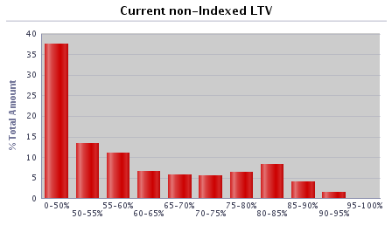 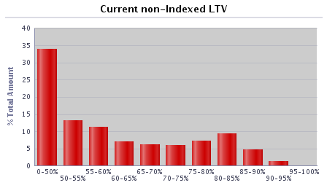
0-50% | 19,939 | 42.32% | £2,735,726,080 | 33.98%
50-55% | 5,669 | 12.03% | £1,060,978,804 | 13.18%
55-60% | 4,372 | 9.28% | £905,919,152 | 11.25%
60-65% | 2,392 | 5.08% | £560,507,603 | 6.96%
65-70% | 2,340 | 4.97% | £502,452,035 | 6.24%
70-75% | 2,385 | 5.06% | £475,643,849 | 5.91%
75-80% | 3,236 | 6.87% | £586,513,995 | 7.29%
80-85% | 3,941 | 8.36% | £747,656,821 | 9.29%
85-90% | 2,208 | 4.69% | £376,048,301 | 4.67%
90-95% | 632 | 1.34% | £98,659,744 | 1.23%
95-100% | 0 | 0.00% | £0 | 0.00%
100-105% | 0 | 0.00% | £0 | 0.00%
105-110% | 0 | 0.00% | £0 | 0.00%
110-125% | 0 | 0.00% | £0 | 0.00%
125%+ | 0 | 0.00% | £0 | 0.00%
Total | 47,114 | 100.00% | £8,050,106,385 | 100.00%

Current indexed LTV | Number | % of total number | Amount (GBP) | % of total amount |  | 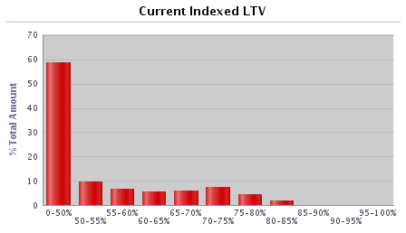 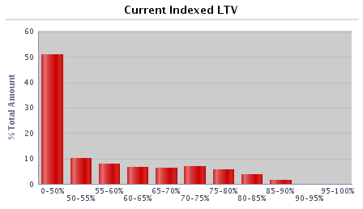
0-50% | 27,458 | 58.28% | £4,085,001,282 | 50.74%
50-55% | 3,928 | 8.34% | £815,439,916 | 10.13%
55-60% | 2,856 | 6.06% | £634,175,864 | 7.88%
60-65% | 2,547 | 5.41% | £533,026,473 | 6.62%
65-70% | 2,748 | 5.83% | £515,452,816 | 6.40%
70-75% | 2,995 | 6.36% | £564,519,545 | 7.01%
75-80% | 2,340 | 4.97% | £456,161,301 | 5.67%
80-85% | 1,506 | 3.20% | £309,446,459 | 3.84%
85-90% | 687 | 1.46% | £129,586,320 | 1.61%
90-95% | 48 | 0.10% | £7,102,281 | 0.09%
95-100% | 1 | 0.00% | £194,128 | 0.00%
100-105% | 0 | 0.00% | £0 | 0.00%
105-110% | 0 | 0.00% | £0 | 0.00%
110-125% | 0 | 0.00% | £0 | 0.00%
125%+ | 0 | 0.00% | £0 | 0.00%
Total | 47,114 | 100.00% | £8,050,106,385 | 100.00%

Current outstanding balance of loan | Number | % of total number | Amount (GBP) | % of total amount |  | 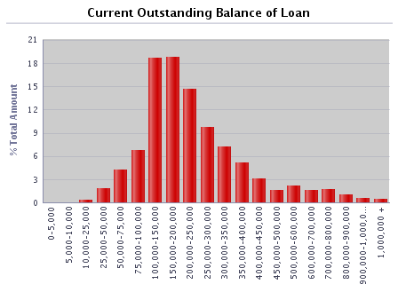 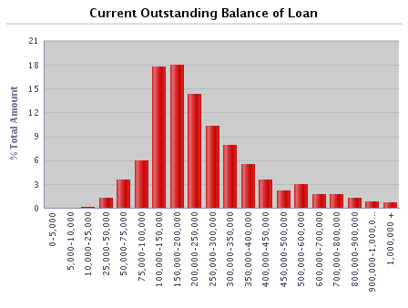
0-5,000 | 114 | 0.24% | £278,552 | 0.00%
5,000-10,000 | 163 | 0.35% | £1,230,383 | 0.02%
10,000-25,000 | 830 | 1.76% | £14,925,422 | 0.19%
25,000-50,000 | 2,583 | 5.48% | £100,623,565 | 1.25%
50,000-75,000 | 4,505 | 9.56% | £284,760,842 | 3.54%
75,000-100,000 | 5,518 | 11.71% | £484,660,534 | 6.02%
100,000-150,000 | 11,457 | 24.32% | £1,424,038,568 | 17.69%
150,000-200,000 | 8,384 | 17.80% | £1,450,013,829 | 18.01%
200,000-250,000 | 5,160 | 10.95% | £1,150,200,990 | 14.29%
250,000-300,000 | 3,056 | 6.49% | £832,617,474 | 10.34%
300,000-350,000 | 1,973 | 4.19% | £636,077,905 | 7.90%
350,000-400,000 | 1,194 | 2.53% | £444,991,479 | 5.53%
400,000-450,000 | 692 | 1.47% | £291,833,456 | 3.63%
450,000-500,000 | 385 | 0.82% | £181,702,576 | 2.26%
500,000-600,000 | 450 | 0.96% | £243,932,637 | 3.03%
600,000-700,000 | 213 | 0.45% | £137,033,111 | 1.70%
700,000-800,000 | 185 | 0.39% | £138,245,321 | 1.72%
800,000-900,000 | 124 | 0.26% | £104,413,403 | 1.30%
900,000-1,000,000 | 76 | 0.16% | £71,507,967 | 0.89%
1,000,000 + | 52 | 0.11% | £57,018,370 | 0.71%
Total | 47,114 | 100.00% | £8,050,106,385 | 100.00%

Regional distribution | Number | % of total number | Amount (GBP) | % of total amount |  | 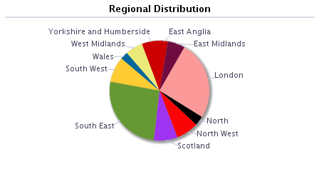 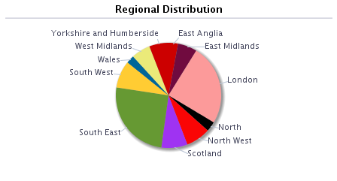
East Anglia | 1,430 | 3.04% | £235,140,809 | 2.92%
East Midlands | 3,373 | 7.16% | £475,990,405 | 5.91%
London | 7,522 | 15.97% | £1,993,542,667 | 24.76%
North | 2,247 | 4.77% | £245,246,841 | 3.05%
North West | 4,540 | 9.64% | £606,930,814 | 7.54%
Outer Metro | 0 | 0.00% | £0 | 0.00%
South East | 9,548 | 20.27% | £2,031,500,284 | 25.24%
South West | 3,975 | 8.44% | £673,362,602 | 8.36%
Scotland | 5,854 | 12.43% | £643,955,702 | 8.00%
Wales | 1,573 | 3.34% | £198,607,644 | 2.47%
West Midlands | 3,223 | 6.84% | £471,383,006 | 5.86%
Yorkshire and Humberside | 3,829 | 8.13% | £474,445,610 | 5.89%
Other | 0 | 0.00% | £0 | 0.00%
Total | 47,114 | 100.00% | £8,050,106,385 | 100.00%

Repayment Type | Number | % of total number | Amount (GBP) | % of total amount
Capital repayment | 39,713 | 84.29% | £6,443,889,256 | 80.05%
Part-and-part | 552 | 1.17% | £144,068,164 | 1.79%
Interest-only | 6,849 | 14.54% | £1,462,148,965 | 18.16%
Offset | 0 | 0.00% | £0 | 0.00%
Total | 47,114 | 100.00% | £8,050,106,385 | 100.00%

Seasoning | Number | % of total number | Amount (GBP) | % of total amount |  | 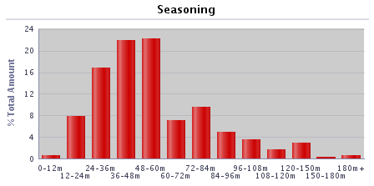 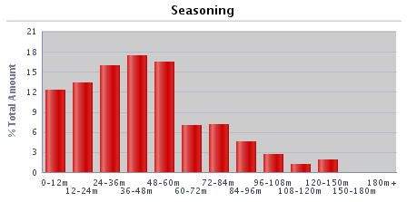
0-12 months | 4,390 | 9.32% | £991,520,839 | 12.32%
12-24 months | 5,060 | 10.74% | £1,070,869,557 | 13.30%
24-36 months | 7,553 | 16.03% | £1,282,154,288 | 15.93%
36-48 months | 8,426 | 17.88% | £1,401,611,597 | 17.41%
48-60 months | 7,882 | 16.73% | £1,320,807,972 | 16.41%
60-72 months | 3,481 | 7.39% | £561,823,802 | 6.98%
72-84 months | 3,582 | 7.60% | £571,284,717 | 7.10%
84-96 months | 2,751 | 5.84% | £370,877,713 | 4.61%
96-108 months | 1,496 | 3.18% | £214,378,435 | 2.66%
108-120 months | 827 | 1.76% | £100,863,451 | 1.25%
120-150 months | 1,393 | 2.96% | £149,610,939 | 1.86%
150-180 months | 81 | 0.17% | £5,092,847 | 0.06%
180+ months | 192 | 0.41% | £9,210,227 | 0.11%
Total | 47,114 | 100.00% | £8,050,106,385 | 100.00%

Interest payment type | Number | % of total number | Amount (GBP) | % of total amount
Fixed | 45,468 | 96.51% | £7,860,608,412 | 97.65%
SVR | 1,370 | 2.91% | £129,199,502 | 1.60%
Tracker | 276 | 0.59% | £60,298,471 | 0.75%
Other (please specify) | 0 | 0.00% | £0 | 0.00%
Total | 47,114 | 100.00% | £8,050,106,385 | 100.00%

Loan purpose type | Number | % of total number | Amount (GBP) | % of total amount
Owner-occupied | 41,184 | 87.41% | £7,166,353,407 | 89.02%
Buy-to-let | 5,930 | 12.59% | £883,752,977 | 10.98%
Second home | 0 | 0.00% | £0 | 0.00%
Total | 47,114 | 100.00% | £8,050,106,385 | 100.00%

Income verification type | Number | % of total number | Amount (GBP) | % of total amount
Fully verified | 47,114 | 100.00% | £8,050,106,385 | 100.00%
Fast-track | 0 | 0.00% | £0 | 0.00%
Self-certified | 0 | 0.00% | £0 | 0.00%
Total | 47,114 | 100.00% | £8,050,106,385 | 100.00%

Remaining term of loan | Number | % of total number | Amount (GBP) | % of total amount
0-30 months | 444 | 0.94% | £28,086,825 | 0.35%
30-60 months | 1,266 | 2.69% | £109,441,298 | 1.36%
60-120 months | 5,445 | 11.56% | £607,918,922 | 7.55%
120-180 months | 8,578 | 18.21% | £1,232,492,048 | 15.31%
180-240 months | 10,636 | 22.58% | £1,870,416,222 | 23.23%
240-300 months | 9,975 | 21.17% | £1,979,317,368 | 24.59%
300-360 months | 6,169 | 13.09% | £1,282,275,149 | 15.93%
360+ months | 4,601 | 9.77% | £940,158,553 | 11.68%
Total | 47,114 | 100.00% | £8,050,106,385 | 100.00%

Employment status | Number | % of total number | Amount (GBP) | % of total amount
Employed | 37,772 | 80.17% | £6,102,011,554 | 75.80%
Self-employed | 7,611 | 16.15% | £1,753,957,977 | 21.79%
Unemployed | 337 | 0.72% | £52,429,459 | 0.65%
Retired | 687 | 1.46% | £77,405,735 | 0.96%
Guarantor | 0 | 0.00% | £0 | 0.00%
Other | 707 | 1.50% | £64,301,660 | 0.80%
Total | 47,114 | 100.00% | £8,050,106,385 | 100.00%

Covered Bonds Outstanding, Associated Derivatives

Bond Description | Series 2012-2 | Series 1 | Series 1 Tap 1 | Series 2 | Series 3
Issue date | 8-Jun-12 | 28-Mar-19 | 15-Aug-19 | 24-Sep-19 | 15-Feb-22
Original rating (Moody’s, S&P, Fitch, DBRS) | Aaa/AAA | Aaa/AAA | Aaa/AAA | Aaa/AAA | Aaa/AAA
Current rating (Moody’s, S&P, Fitch, DBRS) | Aaa/AAA | Aaa/AAA | Aaa/AAA | Aaa/AAA | Aaa/AAA
Denomination | GBP | GBP | GBP | EUR | GBP
Amount at issuance | £700,000,000 | £500,000,000 | £100,000,000 | € 600,000,000 | £600,000,000
Amount outstanding | £700,000,000 | £500,000,000 | £100,000,000 | € 600,000,000 | £600,000,000
FX swap rate (rate:£1) | 1.00 | 1.00 | 1.00 | 1.13 | 1.00
Maturity Type (hard, soft-bullet, pass-through) | soft-bullet | soft-bullet | soft-bullet | soft-bullet | soft-bullet
Scheduled final maturity date | 8-Jun-26 | 22-Mar-24 | 22-Mar-24 | 22-Sep-26 | 22-Jan-27
Legal final maturity date | 8-Jun-27 | 22-Mar-25 | 22-Mar-25 | 22-Sep-27 | 22-Jan-28
ISIN | XS0789991527 | XS1968589116 | XS1968589116 | XS2049803575 | XS2443513440
Stock Exchange Listing | London | London | London | London | London
Coupon payment frequency | Annual | Quarterly | Quarterly | Annual | Quarterly
Coupon payment date | 8-Jun-22 | 22-Jun-22 | 22-Jun-22 | 22-Sep-22 | 22-Apr-22
Coupon (rate if fixed, margin and reference rate if floating) | 4.625% | Compounded Daily SONIA + 0.70% | Compounded Daily SONIA + 0.70% | 0.01% | Compounded Daily SONIA + 0.28%
Margin payable under extended maturity period (%) | Compounded Daily SONIA + 1.6692% |  |  | 1M Euribor + 0.30%
Swap Counterparties | National Australia Bank Ltd |  |  | HSBC Bank plc
Swap notional denomination | GBP |  |  | GBP
Swap notional amount | £700,000,000 |  |  | £532,800,000
Swap notional maturity | 8-Jun-26 |  |  | 22-Sep-26
LLP receive rate/margin | 4.625% |  |  | 0.01%
LLP pay rate/margin | Compounded Daily SONIA + 2.63% |  |  | Compounded Daily SONIA + 0.961%

Programme Triggers

Event (please list all triggers) | Summary of Events | Trigger (S&P, Moody's, Fitch, DBRS, short-term, long-term) | Trigger breached (Yes/No) | Consequence of a trigger breach
VM/Issuer | Issuer Event of Default | Issuer Event of Default | No | Notice to pay is served on the LLP
VM/Seller | Default of Seller | N/A | No | Legal title transferred to the LLP
Account Bank (Trigger 1) | Account Bank falls below trigger | P-1/A2 (Moody's), F1+ or AA- (Fitch) | No | Replace/find guarantor or move to remedial ratings
Account Bank (Trigger 2) | Account Bank falls below trigger | A3 (Moody's), F1 or A (Fitch) | No | Replace/find guarantor
VM Account Bank (Trigger 1) | VM Account Bank falls below trigger | A3 (Moody's), F1 or A (Fitch) | Yes | VM Permitted Amount applies
VM Account Bank (Trigger 2) | VM Account Bank falls below trigger | BBB- (Fitch) | No | Transfer funds to suitably rated Account Bank
Swap collateral Account Bank | Swap Collateral Account Bank falls below trigger | A3 (Moody's), F1 or A (Fitch) | No | Replace/find guarantor or move to remedial ratings
Administrator | Administrator falls below trigger | Baa3(CR) (Moody's), BBB- (Fitch) | No | Appoint Back-up Administrator
Cash manager | Cash Manager falls below trigger | Baa3(CR) (Moody's), BBB- (Fitch) | No | Appoint Back-up Cash Manager
Cash Manager Relevant Event | Cash Manager falls below trigger | Baa1 (Moody's) | No | Seller to make Cash Capital Contribution to pre-fund coupon payments
Interest Rate Swap Provider (Fixed/Tracker) Trigger 1 | Interest Rate Swap Provider (Fixed/Tracker) falls below trigger | A3(CR) (Moody's), F1 or A (Fitch) | Yes | Collateral posted, or guarantor/replacement to be found
Interest Rate Swap Provider (SVR) Trigger 1 | Interest Rate Swap Provider (SVR) falls below trigger | Baa3(CR) (Moody's), BBB- (Fitch) | No | Collateral posted, or guarantor/replacement to be found
Interest Rate Swap Provider (Fixed/Tracker) Trigger 2 | Interest Rate Swap Provider falls below trigger | Baa1(CR) (Moody's), F3 or BBB- (Fitch) | No | Guarantor/replacement to be found
Interest Rate Swap Provider (SVR) Trigger 2 | Interest Rate Swap Provider falls below trigger | Ba3(CR) (Moody's), BB- (Fitch) | No | Guarantor/replacement to be found or reduce swap notional to zero
LLP Event of Default (post VM Event of Default) | LLP Event of Default | LLP Event of Default | No | Covered Bonds become immediately due and payable
Covered Bond Swap Provider (Trigger 1) | Covered Bond Swap Provider falls below trigger | A3(CR) (Moody's), F1 or A (Fitch) | No | Counterparty to take certain remedial action including collateral
Covered Bond Swap Provider (Trigger 2) | Covered Bond Swap Provider falls below trigger | Baa1(CR) (Moody's), F3 or BBB- (Fitch) | No | Guarantor/replacement to be found
ACT Set-off | Issuer falls below trigger | P1 or A2 (Moody's), F1 or A (Fitch) | Yes | Calculate ACT including set-off risk
Reserve Fund | Issuer falls below trigger | P-1 (Moody's), F1+ (Fitch) | Yes | Fund Reserve Fund to required amount
ACT Test Frequency | Issuer/Cash Manager falls below trigger | Baa3(CR) (Moody's), BBB- (Fitch) | No | Asset Monitor check arithmetic accuracy of ACT monthly

