D. Covered Bond Report
Annex 2D
Administration

Administration | Item Value
Name of issuer | Clydesdale Bank PLC
Name of RCB programme | Clydesdale Bank PLC (formerly Virgin Money plc) Programme
Name, job title and contact details of person validating this form | Mark Henderson, New Funding Manager, mark.henderson@virginmoney.com, 07909 442634
Date of form submission | 2022-10-20
Start Date of reporting period | 01/09/2022
End Date of reporting period | 30/09/2022
Web links – prospectus, transaction documents, loan level data | https://www.virginmoneyukplc.com/investor-relations/debt-investors/global-covered-bonds/

Counterparties, Ratings

 | Counterparty/ies | Fitch |  | Moody's |  | S&P |  | DBRS
 |  | Rating trigger | Current rating | Rating trigger | Current rating | Rating trigger | Current rating | Rating trigger | Current rating
Account bank | HSBC Bank plc | AA- / F1+ | AA- / F1+ | A2 / P-1 | A1 / P-1 | N/A | N/A | N/A | N/A
Administrator | Clydesdale Bank PLC | BBB- | A- / F2 | Baa3(CR) | A1(CR) / P-1(CR) | N/A | N/A | N/A | N/A
Cash manager | Clydesdale Bank PLC | BBB- | A- / F2 | Baa3(CR) | A1(CR) / P-1(CR) | N/A | N/A | N/A | N/A
Covered Bond Swap Provider | HSBC Bank plc | A / F1 | AA- / F1+ | A3(CR) | Aa3(CR) | N/A | N/A | N/A | N/A
Covered Bond Swap Provider | National Australia Bank Limited | A / F1 | A+ / F1 | A3(CR) | Aa2(CR) / P-1(CR) | N/A | N/A | N/A | N/A
Covered Bond Swap Provider | Crédit Agricole Corporate and Investment Bank | A(DCR) / F1 | AA-(DCR) / F1 | A3(CR) | Aa2(CR) / P-1(CR) | N/A | N/A | N/A | N/A
Covered bonds | Clydesdale Bank PLC (formerly Virgin Money plc) Programme | N/A | AAA | N/A | Aaa | N/A | N/A | N/A | N/A
Interest Rate Swap Provider | Clydesdale Bank PLC | A / F1 | A- / F2 | A3(CR) | A1(CR) / P-1(CR) | N/A | N/A | N/A | N/A
Issuer | Clydesdale Bank PLC | N/A | A- / F2 | N/A | A1(CR) / P-1(CR) | N/A | N/A | N/A | N/A
Issuer Account Bank | Clydesdale Bank PLC | BBB- | A- / F2 | N/A | A3 / P-2 | N/A | N/A | N/A | N/A
Seller(s) | Clydesdale Bank PLC | N/A | A- / F2 | N/A | A1(CR) / P-1(CR) | N/A | N/A | N/A | N/A
Swap Collateral Account Bank | HSBC Bank plc | A / F1 | AA- / F1+ | A3 | A1 / P-1 | N/A | N/A | N/A | N/A

Swap Details

Swap Details | Value
Fixed Interest Rate Swap
Swap notional amount(s) (GBP) | £6,738,563,713.71
Swap notional maturities | Notional reduces to zero
LLP receive rate/margin (%) | 1.65%
LLP pay rate/margin (%) | 1.92%
Collateral posting amount(s) (GBP) | £685,871,948.12
Tracker Interest Rate Swap
Swap notional amount(s) (GBP) | £30,027,298.94
Swap notional maturities | Notional reduces to zero
LLP receive rate/margin (%) | 1.45%
LLP pay rate/margin (%) | 3.11%
Collateral posting amount(s) (GBP) | £228,416.69
SVR Interest Rate Swap
Swap notional amount(s) (GBP) | £229,384,849.55
Swap notional maturities | Notional reduces to zero
LLP receive rate/margin (%) | 2.25%
LLP pay rate/margin (%) | 5.51%
Collateral posting amount(s) (GBP) | £0.00
Series 2012-2 Bond
Swap notional amount(s) (GBP) | £700,000,000.00
Swap notional maturities | 8-Jun-26
LLP receive rate/margin (%) | 4.625%
LLP pay rate/margin (%) | Compounded Daily SONIA + 2.63%
Collateral posting amount(s) (GBP) | £0.00
Series 2 Bond
Swap notional amount(s) (GBP) | £532,800,000.00
Swap notional maturities | 22-Sep-26
LLP receive rate/margin (%) | 0.01%
LLP pay rate/margin (%) | Compounded Daily SONIA + 0.961%
Collateral posting amount(s) (GBP) | £0.00
Series 4 Bond
Swap notional amount(s) (GBP) | £430,300,000.00
Swap notional maturities | 22-Jun-27
LLP receive rate/margin (%) | 2.50%
LLP pay rate/margin (%) | Compounded Daily SONIA + 0.628%
Collateral posting amount(s) (GBP) | £0.00

Accounts, Ledgers

Description | Value as of End Date of reporting period | Value as of Start Date of reporting period | Targeted Value
Principal ledger | £0.00 | £0.00 | £0.00
Principal receipts (please disclose all parts of waterfall) | £258,209,508.00 | £218,534,608.00 | £0.00
Reserve ledger | £30,893,227.89 | £26,518,857.05 | £30,893,227.89
Revenue ledger | £2,400.00 | £2,100.00 | £0.00
Revenue receipts (please disclose all parts of waterfall) | £25,267,322.86 | £22,702,042.23 | £0.00

Description | Current Reporting Period | Previous Reporting Period
Available Revenue Receipts | 0.00 | 0.00
Revenue Receipts received during the calculation period | £22,756,289.58 | £20,192,907.34
Other net income of the LLP (including interest on LLP Accounts, Substitution Assets and Authorised Investments) | £1,428,549.41 | £1,672,125.51
Reserve Fund amounts in excess of the Reserve Fund Required Amount | £0.00 | £0.00
Reserve Fund amounts utilised following the Notice to Pay | £0.00 | £0.00
Coupon Payment Ledger amounts in excess of the Required Coupon Amount | £1,848,000.00 | £1,980,000.00
Payments made by the Seller to fund Non-Cash Borrow-Backs | £51,219.96 | £58,634.60
Cash Capital Contributions deemed as Revenue | £0.00 | £0.00
Previously withheld receipts to be paid in the month | £0.00 | £0.00
Removal of Non-LLP Amounts | -£816,736.09 | -£1,201,625.22
Total | £25,267,322.86 | £22,702,042.23
Revenue Priority of Payments |  | £0.00
Bond Trustee charges | £0.00 | £0.00
Security Trustee charges | £0.00 | £0.00
Agency charges | £0.00 | £0.00
Account Bank charges | £0.00 | £0.00
Corporate Services Provider charges | £0.00 | £0.00
Third Party charges | £0.00 | £0.00
Administrator charges | £460,082.34 | £490,268.75
Cash Manager charges | £500.00 | £500.00
VM Account Bank charges | £0.00 | £0.00
Asset Monitor charges | £0.00 | £0.00
Amounts paid to the Initial Interest Rate Swap Provider | £0.00 | £0.00
Amounts paid to the Covered Bond Swap Providers | £5,333,604.04 | £4,617,500.73
Amounts paid (other than in respect of principal) on any Term Advance to the Issuer | £3,090,000.00 | £3,204,000.00
Credit to the Accumulation Ledger | £3,241,500.00 | £1,720,500.00
Credit to the Transaction Account following an Administrator Event of Default | £0.00 | £0.00
Credit to the Reserve Ledger | £4,374,370.84 | £4,082,720.41
Excluded Swap Termination Amounts | £0.00 | £0.00
Indemnity amounts paid to Asset Monitor and Members | £0.00 | £0.00
Repayment to VM of any Cash Capital Contributions deemed as revenue or otherwise made to the Coupon Payment Ledger | £0.00 | £0.00
VM Deferred Consideration | £8,766,965.64 | £8,586,252.34
Liquidation Member fee | £0.00 | £0.00
Profit paid to Members | £300.00 | £300.00
Total | £25,267,322.86 | £22,702,042.23
Available Principal Receipts | £0.00 | £0.00
Principal Receipts received during the Calculation Period | £114,037,773.00 | £80,254,888.00
Other amounts received during the calculation period (including proceeds from the sale of Selected Mortgage Loans) | £144,171,735.00 | £138,279,720.00
Cash Capital Contributions | £0.00 | £0.00
Excess Proceeds | £0.00 | £0.00
Previously withheld receipts to be paid in the month | £0.00 | £0.00
Total | £258,209,508.00 | £218,534,608.00
Principal Priority of Payments | £0.00 | £0.00
Acquisition of New Loans and their Related Security and Substitution Assets | £0.00 | £0.00
Credit to the LLP Accounts to ensure compliance with the Asset Coverage Test | £0.00 | £0.00
Amounts paid to the Covered Bond Swap Provider (in respect of principal) on any Term Advance to the Issuer | £0.00 | £0.00
Retained Principal Collections | £0.00 | £0.00
Capital Distribution to VM | £258,209,508.00 | £218,534,608.00
Total | £258,209,508.00 | £218,534,608.00

Asset Coverage Test | Value | Description
A | £6,234,162,412 | Adjusted current balance
B | £258,209,508 | Principal collections not yet applied
C | £0 | Qualifying additional collateral
D | £0 | Substitute assets
E | £0 | Proceeds of sold mortgage loans
W | £266,253,020 | VM Bank Account Balance
X | £627,763 | Flexible draw capacity
Y | £40,438,862 | Set-off
Z | £64,108,304 | Negative carry
Total | £6,120,943,971
Method used for calculating component 'A' | A(ii)
Asset percentage (%) | 92.50%
Maximum asset percentage from Fitch (%) | 96.00%
Maximum asset percentage from Moody's (%) | 92.50%
Maximum asset percentage from S&P (%) | N/A
Maximum asset percentage from DBRS (%) | N/A
Credit Support as derived from ACT (GBP) | £2,507,843,972
Credit Support as derived from ACT (%) | 69.41%

Programme-Level Characteristics

Programme-Level Characteristics
Programme currency | EUR
Programme size | € 7,000,000,000.00
Covered bonds principal amount outstanding (GBP, non-GBP series converted at swap FX rate) | £3,613,100,000.00
Covered bonds principal amount outstanding (GBP, non-GBP series converted at current spot rate) | £3,617,351,000.00
Cover pool balance (GBP) | £6,739,810,258.00
GIC account balance (GBP) | £293,318,557.32
GIC Account Balance (GBP) – Issuer GIC | £266,253,019.78
GIC Account Balance (GBP) – External GIC 1 | £27,065,537.54
Any additional collateral – Securities Collateral (GBP) | £645,890,364.81
Any additional collateral - Cash Collateral (GBP) | £40,210,000.00
Any additional collateral - Securities Collateral (EUR) | € 0.00
Any additional collateral - Cash Collateral (EUR) | € 0.00
Any additional collateral - Securities Collateral (USD) | $0.00
Any additional collateral - Cash Collateral (USD) | $0.00
Aggregate deposits attaching to the cover pool (GBP) | £40,438,862.00
Aggregate balance of off-set mortgages (GBP) | £0.00
Aggregate deposits attaching specifically to the off-set mortgages (GBP) | £0.00
Nominal level of overcollateralisation (GBP) | £3,126,710,258.00
Nominal level of overcollateralisation (%) | 86.54%
Number of loans in cover pool | 40,160
Average loan balance (GBP) | £167,823.96
Weighted average non-indexed LTV (%) | 57.59%
Weighted average indexed LTV (%) | 48.22%
Weighted average seasoning (months) | 49.46
Weighted average remaining term (months) | 240.07
Weighted average interest rate (%) | 2.07%
Standard Variable Rate(s) (%) | 5.49% (Residential) 5.69% (Buy to Let)
Constant Pre-Payment Rate (% current month) | 33.90%
Constant Pre-Payment Rate (% quarterly average) | 27.82%
Principal Payment Rate (% current month) | 36.31%
Principal Payment Rate (% quarterly average) | 30.44%
Constant Default Rate (% current month) | 0.00%
Constant Default Rate (% quarterly average) | 0.00%
Fitch PCU Uplift | 6
Moody’s Timely Payment Indicator | Probable
Moody’s Collateral Score (%) | 5.00%

Mortgage Collections

Mortgage Collections (scheduled – interest) | £11,485,382.00
Mortgage Collections (scheduled – principal) | £20,888,384.00
Mortgage Collections (unscheduled – interest) | £0.00
Mortgage Collections (unscheduled – principal) | £237,321,124.00

Loan Redemptions & Replenishments Since Previous Reporting Date

 | Number | % of total number | Amount (GBP) | % of total amount
Loan redemptions since previous reporting date | 645 | 42.60% | £86,856,082.28 | 37.57%
Loans bought back by seller(s) | 869 | 57.40% | £144,358,108.02 | 62.43%
of which are non-performing loans | 3 | 0.20% | £256,972.48 | 0.11%
of which have breached R&Ws | 0 | 0.00% | £0.00 | 0.00%
of which have been subject to a product switch | 844 | 55.75% | £139,987,560.62 | 60.54%
of which have received a further advance | 19 | 1.25% | £4,010,297.32 | 1.73%
of which are for other reasons | 3 | 0.20% | £103,277.60 | 0.04%
Loans sold into the cover pool | 0 |  | £0.00

Product Rate Type and Reversionary Profiles

 | Number | % of total number | Amount (GBP) | % of total amount | % Current rate | Remaining teaser period (months) | % Current margin | % Reversionary margin | % Initial rate
Fixed at origination, reverting to SVR | 38,621 | 96.17% | £6,583,434,999 | 97.68% | 1.98% | 22.61 | 0.00% | 0.00% | 1.98%
Fixed at origination, reverting to LIBOR | 0 | 0.00% | £0 | 0.00% | 0.00% | 0 | 0.00% | 0.00% | 0.00%
Fixed at origination, reverting to tracker | 0 | 0.00% | £0 | 0.00% | 0.00% | 0 | 0.00% | 0.00% | 0.00%
Fixed for life | 0 | 0.00% | £0 | 0.00% | 0.00% | 0 | 0.00% | 0.00% | 0.00%
Tracker at origination, reverting to SVR | 150 | 0.37% | £30,159,737 | 0.45% | 3.62% | 9.04 | 2.37% | 0.00% | 3.62%
Tracker at origination, reverting to LIBOR | 0 | 0.00% | £0 | 0.00% | 0.00% | 0 | 0.00% | 0.00% | 0.00%
Tracker for life | 0 | 0.00% | £0 | 0.00% | 0.00% | 0 | 0.00% | 0.00% | 0.00%
SVR, including discount to SVR | 1,389 | 3.46% | £126,215,522 | 1.87% | 6.02% | 0 | 0.51% | 0.00% | 6.02%
LIBOR | 0 | 0.00% | £0 | 0.00% | 0.00% | 0 | 0.00% | 0.00% | 0.00%
Total | 40,160 | 100.00% | £6,739,810,258 | 100.00% | 2.07% |  | 0.02% | 0.00% | 2.07%
Stratifications

Arrears breakdown | Number | % of total number | Amount (GBP) | % of total amount
Current | 40,060 | 99.75% | £6,725,049,913 | 99.78%
0-1 months in arrears | 36 | 0.09% | £5,824,030 | 0.09%
1-2 months in arrears | 46 | 0.11% | £6,925,411 | 0.10%
2-3 months in arrears | 12 | 0.03% | £1,406,341 | 0.02%
3-6 months in arrears | 6 | 0.01% | £604,563 | 0.01%
6-12 months in arrears | 0 | 0.00% | £0 | 0.00%
12+ months in arrears | 0 | 0.00% | £0 | 0.00%
Total | 40,160 | 100.00% | £6,739,810,258 | 100.00%

Current non-indexed LTV | Number | % of total number | Amount (GBP) | % of total amount |  | 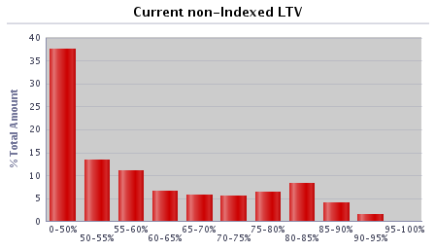 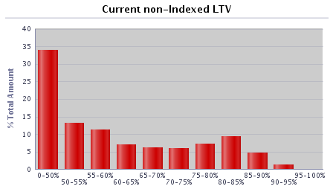 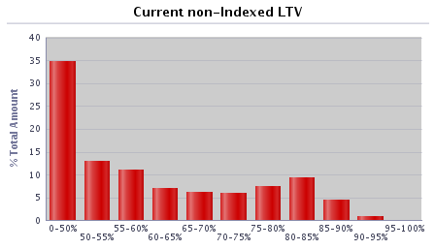 
0-50% | 17,637 | 43.92% | £2,374,859,179 | 35.24%
50-55% | 4,406 | 10.97% | £824,133,614 | 12.23%
55-60% | 3,489 | 8.69% | £722,610,802 | 10.72%
60-65% | 2,067 | 5.15% | £484,449,514 | 7.19%
65-70% | 2,003 | 4.99% | £425,106,725 | 6.31%
70-75% | 2,074 | 5.16% | £403,595,304 | 5.99%
75-80% | 3,009 | 7.49% | £528,412,250 | 7.84%
80-85% | 3,379 | 8.41% | £635,655,180 | 9.43%
85-90% | 1,854 | 4.62% | £302,992,992 | 4.50%
90-95% | 242 | 0.60% | £37,994,698 | 0.56%
95-100% | 0 | 0.00% | £0 | 0.00%
100-105% | 0 | 0.00% | £0 | 0.00%
105-110% | 0 | 0.00% | £0 | 0.00%
110-125% | 0 | 0.00% | £0 | 0.00%
125%+ | 0 | 0.00% | £0 | 0.00%
Total | 40,160 | 100.00% | £6,739,810,258 | 100.00%

Current indexed LTV | Number | % of total number | Amount (GBP) | % of total amount |  | 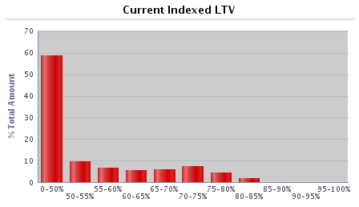 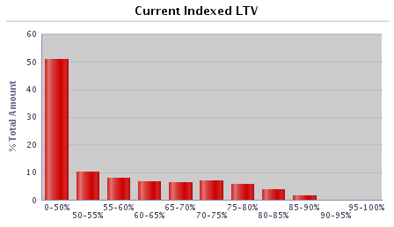 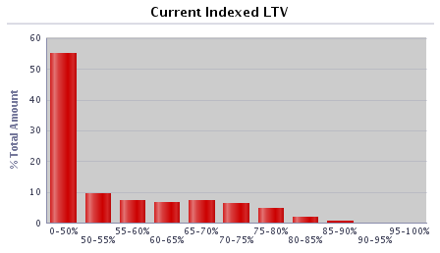 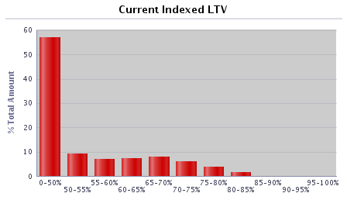
0-50% | 25,602 | 63.75% | £3,834,674,829 | 56.90%
50-55% | 2,803 | 6.98% | £623,089,047 | 9.24%
55-60% | 2,325 | 5.79% | £483,120,510 | 7.17%
60-65% | 2,654 | 6.61% | £494,580,598 | 7.34%
65-70% | 2,840 | 7.07% | £528,983,227 | 7.85%
70-75% | 2,142 | 5.33% | £414,865,320 | 6.16%
75-80% | 1,240 | 3.09% | £257,312,932 | 3.82%
80-85% | 550 | 1.37% | £102,637,372 | 1.52%
85-90% | 4 | 0.01% | £546,423 | 0.01%
90-95% | 0 | 0.00% | £0 | 0.00%
95-100% | 0 | 0.00% | £0 | 0.00%
100-105% | 0 | 0.00% | £0 | 0.00%
105-110% | 0 | 0.00% | £0 | 0.00%
110-125% | 0 | 0.00% | £0 | 0.00%
125%+ | 0 | 0.00% | £0 | 0.00%
Total | 40,160 | 100.00% | £6,739,810,258 | 100.00%

Current outstanding balance of loan | Number | % of total number | Amount (GBP) | % of total amount |  | 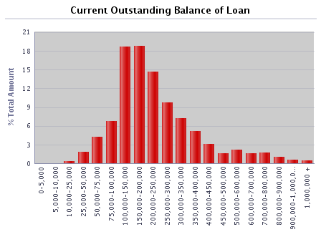 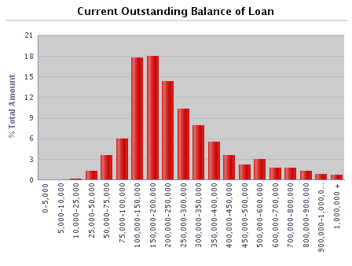  
0-5,000 | 122 | 0.30% | £278,926 | 0.00%
5,000-10,000 | 165 | 0.41% | £1,293,787 | 0.02%
10,000-25,000 | 711 | 1.77% | £12,977,151 | 0.19%
25,000-50,000 | 2,295 | 5.71% | £89,295,056 | 1.32%
50,000-75,000 | 4,007 | 9.98% | £252,440,101 | 3.75%
75,000-100,000 | 4,884 | 12.16% | £429,325,015 | 6.37%
100,000-150,000 | 9,859 | 24.55% | £1,225,748,540 | 18.19%
150,000-200,000 | 7,037 | 17.52% | £1,217,114,194 | 18.06%
200,000-250,000 | 4,186 | 10.42% | £932,784,383 | 13.84%
250,000-300,000 | 2,566 | 6.39% | £699,036,562 | 10.37%
300,000-350,000 | 1,560 | 3.88% | £503,039,346 | 7.46%
350,000-400,000 | 968 | 2.41% | £360,450,275 | 5.35%
400,000-450,000 | 584 | 1.45% | £246,237,736 | 3.65%
450,000-500,000 | 302 | 0.75% | £142,554,109 | 2.12%
500,000-600,000 | 373 | 0.93% | £202,245,351 | 3.00%
600,000-700,000 | 168 | 0.42% | £108,377,892 | 1.61%
700,000-800,000 | 155 | 0.39% | £115,655,710 | 1.72%
800,000-900,000 | 110 | 0.27% | £92,605,443 | 1.37%
900,000-1,000,000 | 65 | 0.16% | £61,153,794 | 0.91%
1,000,000 + | 43 | 0.11% | £47,196,887 | 0.70%
Total | 40,160 | 100.00% | £6,739,810,258 | 100.00%

Regional distribution | Number | % of total number | Amount (GBP) | % of total amount |  | 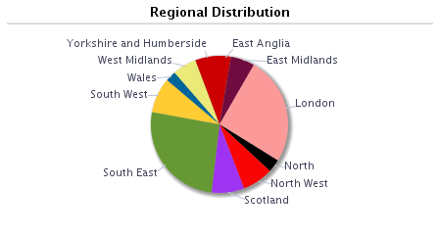 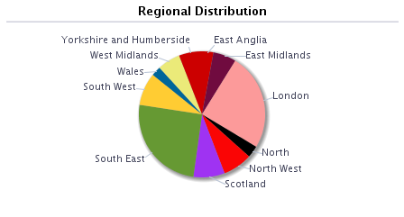  
East Anglia | 1,212 | 3.02% | £194,753,246 | 2.89%
East Midlands | 2,920 | 7.27% | £406,850,135 | 6.04%
London | 6,323 | 15.74% | £1,662,787,610 | 24.67%
North | 1,937 | 4.82% | £207,231,999 | 3.07%
North West | 3,939 | 9.81% | £519,859,431 | 7.71%
Outer Metro | 0 | 0.00% | £0 | 0.00%
South East | 7,954 | 19.81% | £1,666,627,263 | 24.73%
South West | 3,363 | 8.37% | £564,614,824 | 8.38%
Scotland | 5,020 | 12.50% | £537,350,895 | 7.97%
Wales | 1,367 | 3.40% | £170,610,781 | 2.53%
West Midlands | 2,804 | 6.98% | £403,308,402 | 5.98%
Yorkshire and Humberside | 3,321 | 8.27% | £405,815,672 | 6.02%
Other | 0 | 0.00% | £0 | 0.00%
Total | 40,160 | 100.00% | £6,739,810,258 | 100.00%

Repayment Type | Number | % of total number | Amount (GBP) | % of total amount
Capital repayment | 33,686 | 83.88% | £5,335,199,293 | 79.16%
Part-and-part | 458 | 1.14% | £119,208,158 | 1.77%
Interest-only | 6,016 | 14.98% | £1,285,402,807 | 19.07%
Offset | 0 | 0.00% | £0 | 0.00%
Total | 40,160 | 100.00% | £6,739,810,258 | 100.00%

Seasoning | Number | % of total number | Amount (GBP) | % of total amount |  | 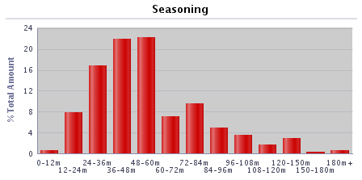 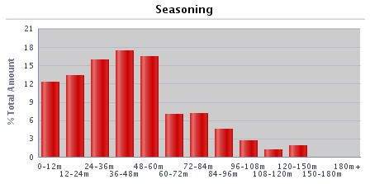 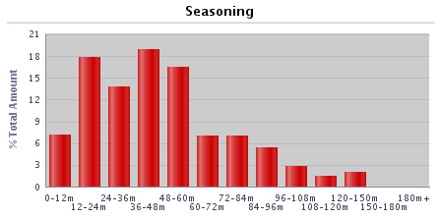 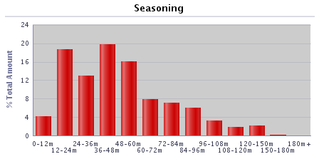
0-12 months | 1,393 | 3.47% | £284,895,063 | 4.23%
12-24 months | 5,362 | 13.35% | £1,253,365,907 | 18.60%
24-36 months | 5,102 | 12.70% | £872,661,754 | 12.95%
36-48 months | 8,157 | 20.31% | £1,325,620,045 | 19.67%
48-60 months | 6,688 | 16.65% | £1,084,480,297 | 16.09%
60-72 months | 3,371 | 8.39% | £533,212,151 | 7.91%
72-84 months | 3,070 | 7.64% | £479,244,511 | 7.11%
84-96 months | 2,756 | 6.86% | £402,507,134 | 5.97%
96-108 months | 1,684 | 4.19% | £215,915,021 | 3.20%
108-120 months | 901 | 2.24% | £122,144,950 | 1.81%
120-150 months | 1,342 | 3.34% | £144,316,792 | 2.14%
150-180 months | 152 | 0.38% | £14,306,890 | 0.21%
180+ months | 182 | 0.45% | £7,139,744 | 0.11%
Total | 40,160 | 100.00% | £6,739,810,258 | 100.00%

Interest payment type | Number | % of total number | Amount (GBP) | % of total amount
Fixed | 38,621 | 96.17% | £6,583,434,999 | 97.68%
SVR | 1,389 | 3.46% | £126,215,522 | 1.87%
Tracker | 150 | 0.37% | £30,159,737 | 0.45%
Other (please specify) | 0 | 0.00% | £0 | 0.00%
Total | 40,160 | 100.00% | £6,739,810,258 | 100.00%

Loan purpose type | Number | % of total number | Amount (GBP) | % of total amount
Owner-occupied | 34,913 | 86.93% | £5,959,751,222 | 88.43%
Buy-to-let | 5,247 | 13.07% | £780,059,036 | 11.57%
Second home | 0 | 0.00% | £0 | 0.00%
Total | 40,160 | 100.00% | £6,739,810,258 | 100.00%

Income verification type | Number | % of total number | Amount (GBP) | % of total amount
Fully verified | 40,160 | 100.00% | £6,739,810,258 | 100.00%
Fast-track | 0 | 0.00% | £0 | 0.00%
Self-certified | 0 | 0.00% | £0 | 0.00%
Total | 40,160 | 100.00% | £6,739,810,258 | 100.00%

Remaining term of loan | Number | % of total number | Amount (GBP) | % of total amount
0-30 months | 453 | 1.13% | £28,403,399 | 0.42%
30-60 months | 1,180 | 2.94% | £100,382,465 | 1.49%
60-120 months | 4,881 | 12.15% | £542,098,023 | 8.04%
120-180 months | 7,365 | 18.34% | £1,055,206,005 | 15.66%
180-240 months | 9,080 | 22.61% | £1,583,034,924 | 23.49%
240-300 months | 8,322 | 20.72% | £1,624,993,809 | 24.11%
300-360 months | 5,233 | 13.03% | £1,067,738,701 | 15.84%
360+ months | 3,646 | 9.08% | £737,952,930 | 10.95%
Total | 40,160 | 100.00% | £6,739,810,258 | 100.00%

Employment status | Number | % of total number | Amount (GBP) | % of total amount
Employed | 32,346 | 80.54% | £5,126,278,456 | 76.06%
Self-employed | 6,365 | 15.85% | £1,453,788,174 | 21.57%
Unemployed | 285 | 0.71% | £43,740,084 | 0.65%
Retired | 574 | 1.43% | £64,888,609 | 0.96%
Guarantor | 0 | 0.00% | £0 | 0.00%
Other | 590 | 1.47% | £51,114,935 | 0.76%
Total | 40,160 | 100.00% | £6,739,810,258 | 100.00%

Covered Bonds Outstanding, Associated Derivatives

Bond Description | Series 2012-2 | Series 1 | Series 2 | Series 3 | Series 4 | Series 5
Issue date | 8-Jun-12 | 28-Mar-19 | 24-Sep-19 | 15-Feb-22 | 28-Jun-22 | 7-Sep-22
Original rating (Moody’s, S&P, Fitch, DBRS) | Aaa/AAA | Aaa/AAA | Aaa/AAA | Aaa/AAA | Aaa/AAA | Aaa/AAA
Current rating (Moody’s, S&P, Fitch, DBRS) | Aaa/AAA | Aaa/AAA | Aaa/AAA | Aaa/AAA | Aaa/AAA | Aaa/AAA
Denomination | GBP | GBP | EUR | GBP | EUR | GBP
Amount at issuance | £700,000,000 | £600,000,000 | € 600,000,000 | £600,000,000 | € 500,000,000 | £750,000,000
Amount outstanding | £700,000,000 | £600,000,000 | € 600,000,000 | £600,000,000 | € 500,000,000 | £750,000,000
FX swap rate (rate:£1) | 1.00 | 1.00 | 1.13 | 1.00 | 1.16 | 1.00
Maturity Type (hard, soft-bullet, pass-through) | soft-bullet | soft-bullet | soft-bullet | soft-bullet | soft-bullet | soft-bullet
Scheduled final maturity date | 8-Jun-26 | 22-Mar-24 | 22-Sep-26 | 22-Jan-27 | 22-Jun-27 | 22-Mar-26
Legal final maturity date | 8-Jun-27 | 22-Mar-25 | 22-Sep-27 | 22-Jan-28 | 22-Jun-28 | 22-Mar-27
ISIN | XS0789991527 | XS1968589116 | XS2049803575 | XS2443513440 | XS2493830827 | XS2527432277
Stock Exchange Listing | London | London | London | London | London | London
Coupon payment frequency | Annual | Quarterly | Annual | Quarterly | Annual | Quarterly
Coupon payment date | 8-Jun-23 | 22-Dec-22 | 22-Sep-23 | 24-Oct-22 | 22-Jun-23 | 22-Dec-22
Coupon (rate if fixed, margin and reference rate if floating) | 4.625% | Compounded Daily SONIA + 0.70% | 0.01% | Compounded Daily SONIA + 0.28% | 2.50% | Compounded Daily SONIA + 0.62%
Margin payable under extended maturity period (%) | Compounded Daily SONIA + 1.6692% |  | 1M Euribor + 0.30% |  | 1M Euribor +0.24%
Swap Counterparties | National Australia Bank Ltd |  | HSBC Bank plc |  | Crédit Agricole Corporate and Investment Bank
Swap notional denomination | GBP |  | GBP |  | GBP
Swap notional amount | £700,000,000 |  | £532,800,000 |  | £430,300,000
Swap notional maturity | 8-Jun-26 |  | 22-Sep-26 |  | 22-Jun-27
LLP receive rate/margin | 4.625% |  | 0.01% |  | 2.50%
LLP pay rate/margin | Compounded Daily SONIA + 2.63% |  | Compounded Daily SONIA + 0.961% |  | Compounded Daily SONIA + 0.628%

Programme Triggers

Event (please list all triggers) | Summary of Events | Trigger (S&P, Moody's, Fitch, DBRS, short-term, long-term) | Trigger breached (Yes/No) | Consequence of a trigger breach
VM/Issuer | Issuer Event of Default | Issuer Event of Default | No | Notice to pay is served on the LLP
VM/Seller | Default of Seller | N/A | No | Legal title transferred to the LLP
Account Bank (Trigger 1) | Account Bank falls below trigger | P-1/A2 (Moody's), F1+ or AA- (Fitch) | No | Replace/find guarantor or move to remedial ratings
Account Bank (Trigger 2) | Account Bank falls below trigger | A3 (Moody's), F1 or A (Fitch) | No | Replace/find guarantor
VM Account Bank (Trigger 1) | VM Account Bank falls below trigger | A3 (Moody's), F1 or A (Fitch) | Yes | VM Permitted Amount applies
VM Account Bank (Trigger 2) | VM Account Bank falls below trigger | BBB- (Fitch) | No | Transfer funds to suitably rated Account Bank
Swap collateral Account Bank | Swap Collateral Account Bank falls below trigger | A3 (Moody's), F1 or A (Fitch) | No | Replace/find guarantor or move to remedial ratings
Administrator | Administrator falls below trigger | Baa3(CR) (Moody's), BBB- (Fitch) | No | Appoint Back-up Administrator
Cash manager | Cash Manager falls below trigger | Baa3(CR) (Moody's), BBB- (Fitch) | No | Appoint Back-up Cash Manager
Cash Manager Relevant Event | Cash Manager falls below trigger | Baa1 (Moody's) | No | Seller to make Cash Capital Contribution to pre-fund coupon payments
Interest Rate Swap Provider (Fixed/Tracker) Trigger 1 | Interest Rate Swap Provider (Fixed/Tracker) falls below trigger | A3(CR) (Moody's), F1 or A (Fitch) | Yes | Collateral posted, or guarantor/replacement to be found
Interest Rate Swap Provider (SVR) Trigger 1 | Interest Rate Swap Provider (SVR) falls below trigger | Baa3(CR) (Moody's), BBB- (Fitch) | No | Collateral posted, or guarantor/replacement to be found
Interest Rate Swap Provider (Fixed/Tracker) Trigger 2 | Interest Rate Swap Provider falls below trigger | Baa1(CR) (Moody's), F3 or BBB- (Fitch) | No | Guarantor/replacement to be found
Interest Rate Swap Provider (SVR) Trigger 2 | Interest Rate Swap Provider falls below trigger | Ba3(CR) (Moody's), BB- (Fitch) | No | Guarantor/replacement to be found or reduce swap notional to zero
LLP Event of Default (post VM Event of Default) | LLP Event of Default | LLP Event of Default | No | Covered Bonds become immediately due and payable
Covered Bond Swap Provider (Trigger 1) | Covered Bond Swap Provider falls below trigger | A3(CR) (Moody's), F1 or A (Fitch) | No | Counterparty to take certain remedial action including collateral
Covered Bond Swap Provider (Trigger 2) | Covered Bond Swap Provider falls below trigger | Baa1(CR) (Moody's), F3 or BBB- (Fitch) | No | Guarantor/replacement to be found
ACT Set-off | Issuer falls below trigger | P1 or A2 (Moody's), F1 or A (Fitch) | Yes | Calculate ACT including set-off risk
Reserve Fund | Issuer falls below trigger | P-1 (Moody's), F1+ (Fitch) | Yes | Fund Reserve Fund to required amount
ACT Test Frequency | Issuer/Cash Manager falls below trigger | Baa3(CR) (Moody's), BBB- (Fitch) | No | Asset Monitor check arithmetic accuracy of ACT monthly

